Input Experiments
Changed Input Range | New Value | Affected Embeddings | Amount Affected Embeddings | Affected Reconstruction Range | Affected Reconstruction Datapoints | Changed Input Range | New Value | Affected Embeddings | Amount Affected Embeddings | Affected Reconstruction Range | Affected Reconstruction Datapoints | Changed Input Range | New Value | Affected Embeddings | Amount Affected Embeddings | Affected Reconstruction Range | Affected Reconstruction Datapoints | Changed Input Range | New Value | Affected Embeddings | Amount Affected Embeddings | Affected Reconstruction Range | Affected Reconstruction Datapoints | Changed Input Range | New Value | Affected Embeddings | Amount Affected Embeddings | Affected Reconstruction Range | Affected Reconstruction Datapoints | Changed Input Range | New Value | Affected Embeddings | Amount Affected Embeddings | Affected Reconstruction Range | Affected Reconstruction Datapoints
slice(0, 1, None) | -5 | (array([0, 1, 2]),) | 3 | 0-27 | 28 | slice(0, 5, None) | -5 | (array([0, 1]),) | 2 | 0-24 | 23 | slice(0, 10, None) | -5 | (array([0, 1, 2, 3]),) | 4 | 0-35 | 36 | slice(0, 25, None) | -5 | (array([0, 1, 2, 3, 4, 5]),) | 6 | 0-51 | 52 | slice(0, 50, None) | -5 | (array([0, 1, 2, 3, 4, 5, 6, 7, 8]),) | 9 | 0-75 | 76 | slice(0, 100, None) | -5 | (array([ 0, 1, 2, 3, 4, 5, 6, 7, 8, 9, 10, 11, 12, 13, 14]),) | 15 | 0-123 | 124
slice(1, 2, None) | -5 | (array([0, 1, 2]),) | 3 | 0-27 | 28 | slice(1, 6, None) | -5 | (array([0, 1, 2]),) | 3 | 0-29 | 30 | slice(1, 11, None) | -5 | (array([0, 1, 2, 3]),) | 4 | 0-35 | 36 | slice(1, 26, None) | -5 | (array([0, 1, 2, 3, 4, 5]),) | 6 | 0-51 | 52 | slice(1, 51, None) | -5 | (array([0, 1, 2, 3, 4, 5, 6, 7, 8]),) | 9 | 0-75 | 76 | slice(1, 101, None) | -5 | (array([ 0, 1, 2, 3, 4, 5, 6, 7, 8, 9, 10, 11, 12, 13, 14]),) | 15 | 0-123 | 124
slice(2, 3, None) | -5 | (array([0, 2]),) | 2 | 0-27 | 28 | slice(2, 7, None) | -5 | (array([0, 1, 2]),) | 3 | 0-29 | 30 | slice(2, 12, None) | -5 | (array([0, 1, 2, 3]),) | 4 | 0-35 | 36 | slice(2, 27, None) | -5 | (array([0, 1, 2, 3, 4, 5]),) | 6 | 0-51 | 52 | slice(2, 52, None) | -5 | (array([0, 1, 2, 3, 4, 5, 6, 7, 8]),) | 9 | 0-75 | 76 | slice(2, 102, None) | -5 | (array([ 0, 1, 2, 3, 4, 5, 6, 7, 8, 9, 10, 11, 12, 13, 14, 15]),) | 16 | 0-131 | 132
slice(3, 4, None) | -5 | (array([0, 1]),) | 2 | 0-23 | 24 | slice(3, 8, None) | -5 | (array([0, 1, 2, 3]),) | 4 | 0-35 | 36 | slice(3, 13, None) | -5 | (array([0, 1, 2, 3]),) | 4 | 0-35 | 36 | slice(3, 28, None) | -5 | (array([0, 1, 2, 3, 4, 5]),) | 6 | 0-51 | 52 | slice(3, 53, None) | -5 | (array([0, 1, 2, 3, 4, 5, 6, 7, 8]),) | 9 | 0-75 | 76 | slice(3, 103, None) | -5 | (array([ 0, 1, 2, 3, 4, 5, 6, 7, 8, 9, 10, 11, 12, 13, 14, 15]),) | 16 | 0-131 | 132
slice(4, 5, None) | -5 | (array([0, 1]),) | 2 | 0-24 | 23 | slice(4, 9, None) | -5 | (array([0, 1, 2, 3]),) | 4 | 0-35 | 36 | slice(4, 14, None) | -5 | (array([0, 1, 2, 3]),) | 4 | 0-37 | 37 | slice(4, 29, None) | -5 | (array([0, 1, 2, 3, 4, 5]),) | 6 | 0-51 | 52 | slice(4, 54, None) | -5 | (array([0, 1, 2, 3, 4, 5, 6, 7, 8]),) | 9 | 0-77 | 78 | slice(4, 104, None) | -5 | (array([ 0, 1, 2, 3, 4, 5, 6, 7, 8, 9, 10, 11, 12, 13, 14, 15]),) | 16 | 0-131 | 132
slice(5, 6, None) | -5 | (array([0, 1]),) | 2 | 0-29 | 25 | slice(5, 10, None) | -5 | (array([0, 1, 2, 3]),) | 4 | 0-35 | 36 | slice(5, 15, None) | -5 | (array([0, 1, 2, 3]),) | 4 | 0-37 | 38 | slice(5, 30, None) | -5 | (array([0, 1, 2, 3, 4, 5, 6]),) | 7 | 0-59 | 60 | slice(5, 55, None) | -5 | (array([0, 1, 2, 3, 4, 5, 6, 7, 8, 9]),) | 10 | 0-83 | 84 | slice(5, 105, None) | -5 | (array([ 0, 1, 2, 3, 4, 5, 6, 7, 8, 9, 10, 11, 12, 13, 14, 15]),) | 16 | 0-131 | 132
slice(6, 7, None) | -5 | (array([0, 1]),) | 2 | 0-26 | 25 | slice(6, 11, None) | -5 | (array([0, 1, 2, 3]),) | 4 | 0-35 | 36 | slice(6, 16, None) | -5 | (array([0, 1, 2, 3, 4]),) | 5 | 0-43 | 44 | slice(6, 31, None) | -5 | (array([0, 1, 2, 3, 4, 5, 6]),) | 7 | 0-59 | 60 | slice(6, 56, None) | -5 | (array([0, 1, 2, 3, 4, 5, 6, 7, 8, 9]),) | 10 | 0-83 | 84 | slice(6, 106, None) | -5 | (array([ 0, 1, 2, 3, 4, 5, 6, 7, 8, 9, 10, 11, 12, 13, 14, 15]),) | 16 | 0-131 | 132
slice(7, 8, None) | -5 | (array([0, 1, 2]),) | 3 | 0-32 | 32 | slice(7, 12, None) | -5 | (array([0, 1, 2, 3]),) | 4 | 0-35 | 36 | slice(7, 17, None) | -5 | (array([0, 1, 2, 3, 4]),) | 5 | 0-43 | 44 | slice(7, 32, None) | -5 | (array([0, 1, 2, 3, 4, 5, 6]),) | 7 | 0-59 | 60 | slice(7, 57, None) | -5 | (array([0, 1, 2, 3, 4, 5, 6, 7, 8, 9]),) | 10 | 0-83 | 84 | slice(7, 107, None) | -5 | (array([ 0, 1, 2, 3, 4, 5, 6, 7, 8, 9, 10, 11, 12, 13, 14, 15]),) | 16 | 0-131 | 132
slice(8, 9, None) | -5 | (array([0, 1, 2, 3]),) | 4 | 0-35 | 36 | slice(8, 13, None) | -5 | (array([0, 1, 2]),) | 3 | 0-35 | 31 | slice(8, 18, None) | -5 | (array([0, 1, 2, 3, 4]),) | 5 | 0-43 | 44 | slice(8, 33, None) | -5 | (array([0, 1, 2, 3, 4, 5, 6]),) | 7 | 0-59 | 60 | slice(8, 58, None) | -5 | (array([0, 1, 2, 3, 4, 5, 6, 7, 8, 9]),) | 10 | 0-83 | 84 | slice(8, 108, None) | -5 | (array([ 0, 1, 2, 3, 4, 5, 6, 7, 8, 9, 10, 11, 12, 13, 14, 15]),) | 16 | 0-131 | 132
slice(9, 10, None) | -5 | (array([1, 2, 3]),) | 3 | 0-35 | 36 | slice(9, 14, None) | -5 | (array([0, 1, 2, 3]),) | 4 | 0-37 | 37 | slice(9, 19, None) | -5 | (array([0, 1, 2, 3, 4]),) | 5 | 0-43 | 44 | slice(9, 34, None) | -5 | (array([0, 1, 2, 3, 4, 5, 6]),) | 7 | 0-59 | 60 | slice(9, 59, None) | -5 | (array([0, 1, 2, 3, 4, 5, 6, 7, 8, 9]),) | 10 | 0-83 | 84 | slice(9, 109, None) | -5 | (array([ 0, 1, 2, 3, 4, 5, 6, 7, 8, 9, 10, 11, 12, 13, 14, 15]),) | 16 | 0-131 | 132
slice(10, 11, None) | -5 | (array([1, 2, 3]),) | 3 | 0-35 | 36 | slice(10, 15, None) | -5 | (array([1, 2, 3]),) | 3 | 0-37 | 38 | slice(10, 20, None) | -5 | (array([1, 2, 3, 4]),) | 4 | 0-43 | 44 | slice(10, 35, None) | -5 | (array([1, 2, 3, 4, 5, 6]),) | 6 | 0-59 | 60 | slice(10, 60, None) | -5 | (array([1, 2, 3, 4, 5, 6, 7, 8, 9]),) | 9 | 0-83 | 84 | slice(10, 110, None) | -5 | (array([ 1, 2, 3, 4, 5, 6, 7, 8, 9, 10, 11, 12, 13, 14, 15, 16]),) | 16 | 0-139 | 140
slice(11, 12, None) | -5 | (array([1, 2, 3]),) | 3 | 0-35 | 36 | slice(11, 16, None) | -5 | (array([1, 2, 3, 4]),) | 4 | 0-43 | 44 | slice(11, 21, None) | -5 | (array([1, 2, 3, 4]),) | 4 | 0-43 | 44 | slice(11, 36, None) | -5 | (array([1, 2, 3, 4, 5, 6]),) | 6 | 0-59 | 60 | slice(11, 61, None) | -5 | (array([1, 2, 3, 4, 5, 6, 7, 8, 9]),) | 9 | 0-83 | 84 | slice(11, 111, None) | -5 | (array([ 1, 2, 3, 4, 5, 6, 7, 8, 9, 10, 11, 12, 13, 14, 15, 16]),) | 16 | 0-139 | 140
slice(12, 13, None) | -5 | (array([1, 2]),) | 2 | 0-35 | 33 | slice(12, 17, None) | -5 | (array([1, 2, 3, 4]),) | 4 | 0-43 | 44 | slice(12, 22, None) | -5 | (array([1, 2, 3, 4]),) | 4 | 0-47 | 47 | slice(12, 37, None) | -5 | (array([1, 2, 3, 4, 5, 6]),) | 6 | 0-59 | 60 | slice(12, 62, None) | -5 | (array([1, 2, 3, 4, 5, 6, 7, 8, 9]),) | 9 | 0-87 | 86 | slice(12, 112, None) | -5 | (array([ 1, 2, 3, 4, 5, 6, 7, 8, 9, 10, 11, 12, 13, 14, 15, 16]),) | 16 | 0-139 | 140
slice(13, 14, None) | -5 | (array([2, 3]),) | 2 | 0-37 | 37 | slice(13, 18, None) | -5 | (array([1, 2, 3, 4]),) | 4 | 0-43 | 44 | slice(13, 23, None) | -5 | (array([1, 2, 3, 4]),) | 4 | 0-47 | 48 | slice(13, 38, None) | -5 | (array([1, 2, 3, 4, 5, 6]),) | 6 | 0-66 | 67 | slice(13, 63, None) | -5 | (array([ 1, 2, 3, 4, 5, 6, 7, 8, 9, 10]),) | 10 | 0-91 | 92 | slice(13, 113, None) | -5 | (array([ 1, 2, 3, 4, 5, 6, 7, 8, 9, 10, 11, 12, 13, 14, 15, 16]),) | 16 | 0-139 | 140
slice(14, 15, None) | -5 | (array([1, 2, 3]),) | 3 | 0-37 | 37 | slice(14, 19, None) | -5 | (array([1, 2, 3, 4]),) | 4 | 0-43 | 44 | slice(14, 24, None) | -5 | (array([1, 2, 3, 4, 5]),) | 5 | 0-51 | 52 | slice(14, 39, None) | -5 | (array([1, 2, 3, 4, 5, 6]),) | 6 | 0-66 | 67 | slice(14, 64, None) | -5 | (array([ 1, 2, 3, 4, 5, 6, 7, 8, 9, 10]),) | 10 | 0-91 | 92 | slice(14, 114, None) | -5 | (array([ 1, 2, 3, 4, 5, 6, 7, 8, 9, 10, 11, 12, 13, 14, 15, 16]),) | 16 | 0-139 | 140
slice(15, 16, None) | -5 | (array([1, 2, 3]),) | 3 | 0-37 | 38 | slice(15, 20, None) | -5 | (array([2, 3, 4]),) | 3 | 0-43 | 44 | slice(15, 25, None) | -5 | (array([2, 3, 4, 5]),) | 4 | 0-51 | 52 | slice(15, 40, None) | -5 | (array([2, 3, 4, 5, 6]),) | 5 | 0-66 | 67 | slice(15, 65, None) | -5 | (array([ 2, 3, 4, 5, 6, 7, 8, 9, 10]),) | 9 | 0-91 | 92 | slice(15, 115, None) | -5 | (array([ 2, 3, 4, 5, 6, 7, 8, 9, 10, 11, 12, 13, 14, 15, 16]),) | 15 | 0-139 | 140
slice(16, 17, None) | -5 | (array([1, 2, 3, 4]),) | 4 | 0-43 | 44 | slice(16, 21, None) | -5 | (array([2, 3]),) | 2 | 0-42 | 41 | slice(16, 26, None) | -5 | (array([2, 3, 4, 5]),) | 4 | 0-51 | 52 | slice(16, 41, None) | -5 | (array([2, 3, 4, 5, 6, 7]),) | 6 | 0-67 | 68 | slice(16, 66, None) | -5 | (array([ 2, 3, 4, 5, 6, 7, 8, 9, 10]),) | 9 | 0-91 | 92 | slice(16, 116, None) | -5 | (array([ 2, 3, 4, 5, 6, 7, 8, 9, 10, 11, 12, 13, 14, 15, 16]),) | 15 | 0-139 | 140
slice(17, 18, None) | -5 | (array([1, 2, 3, 4]),) | 4 | 0-43 | 44 | slice(17, 22, None) | -5 | (array([1, 2, 3, 4]),) | 4 | 0-47 | 47 | slice(17, 27, None) | -5 | (array([1, 2, 3, 4, 5]),) | 5 | 0-51 | 52 | slice(17, 42, None) | -5 | (array([1, 2, 3, 4, 5, 6, 7]),) | 7 | 0-67 | 68 | slice(17, 67, None) | -5 | (array([ 1, 2, 3, 4, 5, 6, 7, 8, 9, 10]),) | 10 | 0-91 | 92 | slice(17, 117, None) | -5 | (array([ 1, 2, 3, 4, 5, 6, 7, 8, 9, 10, 11, 12, 13, 14, 15, 16]),) | 16 | 0-139 | 140
slice(18, 19, None) | -5 | (array([1, 2, 3, 4]),) | 4 | 0-43 | 44 | slice(18, 23, None) | -5 | (array([1, 2, 3, 4]),) | 4 | 0-47 | 48 | slice(18, 28, None) | -5 | (array([1, 2, 3, 4, 5]),) | 5 | 0-51 | 52 | slice(18, 43, None) | -5 | (array([1, 2, 3, 4, 5, 6, 7]),) | 7 | 0-67 | 68 | slice(18, 68, None) | -5 | (array([ 1, 2, 3, 4, 5, 6, 7, 8, 9, 10]),) | 10 | 0-91 | 92 | slice(18, 118, None) | -5 | (array([ 1, 2, 3, 4, 5, 6, 7, 8, 9, 10, 11, 12, 13, 14, 15, 16, 17]),) | 17 | 0-147 | 148
slice(19, 20, None) | -5 | (array([1, 2, 3, 4]),) | 4 | 0-43 | 44 | slice(19, 24, None) | -5 | (array([1, 2, 3, 4, 5]),) | 5 | 0-51 | 52 | slice(19, 29, None) | -5 | (array([1, 2, 3, 4, 5]),) | 5 | 0-51 | 52 | slice(19, 44, None) | -5 | (array([1, 2, 3, 4, 5, 6, 7]),) | 7 | 0-67 | 68 | slice(19, 69, None) | -5 | (array([ 1, 2, 3, 4, 5, 6, 7, 8, 9, 10]),) | 10 | 0-91 | 92 | slice(19, 119, None) | -5 | (array([ 1, 2, 3, 4, 5, 6, 7, 8, 9, 10, 11, 12, 13, 14, 15, 16, 17]),) | 17 | 0-147 | 148
slice(20, 21, None) | -5 | (array([2, 3]),) | 2 | 0-42 | 40 | slice(20, 25, None) | -5 | (array([2, 3, 4, 5]),) | 4 | 0-51 | 52 | slice(20, 30, None) | -5 | (array([2, 3, 4, 5, 6]),) | 5 | 0-59 | 60 | slice(20, 45, None) | -5 | (array([2, 3, 4, 5, 6, 7]),) | 6 | 0-67 | 68 | slice(20, 70, None) | -5 | (array([ 2, 3, 4, 5, 6, 7, 8, 9, 10, 11]),) | 10 | 0-99 | 100 | slice(20, 120, None) | -5 | (array([ 2, 3, 4, 5, 6, 7, 8, 9, 10, 11, 12, 13, 14, 15, 16, 17]),) | 16 | 0-147 | 148
slice(21, 22, None) | -5 | (array([3, 4]),) | 2 | 4-47 | 43 | slice(21, 26, None) | -5 | (array([2, 3, 4, 5]),) | 4 | 0-51 | 52 | slice(21, 31, None) | -5 | (array([2, 3, 4, 5, 6]),) | 5 | 0-59 | 60 | slice(21, 46, None) | -5 | (array([2, 3, 4, 5, 6, 7]),) | 6 | 0-73 | 73 | slice(21, 71, None) | -5 | (array([ 2, 3, 4, 5, 6, 7, 8, 9, 10, 11]),) | 10 | 0-99 | 100 | slice(21, 121, None) | -5 | (array([ 2, 3, 4, 5, 6, 7, 8, 9, 10, 11, 12, 13, 14, 15, 16, 17]),) | 16 | 0-147 | 148
slice(22, 23, None) | -5 | (array([2, 3, 4]),) | 3 | 0-47 | 47 | slice(22, 27, None) | -5 | (array([2, 3, 4, 5]),) | 4 | 0-51 | 52 | slice(22, 32, None) | -5 | (array([2, 3, 4, 5, 6]),) | 5 | 0-59 | 60 | slice(22, 47, None) | -5 | (array([2, 3, 4, 5, 6, 7]),) | 6 | 0-71 | 71 | slice(22, 72, None) | -5 | (array([ 2, 3, 4, 5, 6, 7, 8, 9, 10, 11]),) | 10 | 0-99 | 100 | slice(22, 122, None) | -5 | (array([ 2, 3, 4, 5, 6, 7, 8, 9, 10, 11, 12, 13, 14, 15, 16, 17]),) | 16 | 0-147 | 148
slice(23, 24, None) | -5 | (array([2, 3, 4]),) | 3 | 0-46 | 46 | slice(23, 28, None) | -5 | (array([2, 3, 4, 5]),) | 4 | 0-51 | 52 | slice(23, 33, None) | -5 | (array([2, 3, 4, 5, 6]),) | 5 | 0-59 | 60 | slice(23, 48, None) | -5 | (array([2, 3, 4, 5, 6, 7]),) | 6 | 0-71 | 71 | slice(23, 73, None) | -5 | (array([ 2, 3, 4, 5, 6, 7, 8, 9, 10, 11]),) | 10 | 0-99 | 100 | slice(23, 123, None) | -5 | (array([ 2, 3, 4, 5, 6, 7, 8, 9, 10, 11, 12, 13, 14, 15, 16, 17]),) | 16 | 0-147 | 148
slice(24, 25, None) | -5 | (array([2, 3, 4, 5]),) | 4 | 0-51 | 52 | slice(24, 29, None) | -5 | (array([2, 3, 4]),) | 3 | 0-51 | 52 | slice(24, 34, None) | -5 | (array([2, 3, 4, 5, 6]),) | 5 | 0-59 | 60 | slice(24, 49, None) | -5 | (array([2, 3, 4, 5, 6, 7, 8]),) | 7 | 0-75 | 76 | slice(24, 74, None) | -5 | (array([ 2, 3, 4, 5, 6, 7, 8, 9, 10, 11]),) | 10 | 0-99 | 100 | slice(24, 124, None) | -5 | (array([ 2, 3, 4, 5, 6, 7, 8, 9, 10, 11, 12, 13, 14, 15, 16, 17]),) | 16 | 0-147 | 148
slice(25, 26, None) | -5 | (array([3, 4, 5]),) | 3 | 1-51 | 49 | slice(25, 30, None) | -5 | (array([2, 3, 4, 5, 6]),) | 5 | 0-59 | 60 | slice(25, 35, None) | -5 | (array([2, 3, 4, 5, 6]),) | 5 | 0-59 | 60 | slice(25, 50, None) | -5 | (array([2, 3, 4, 5, 6, 7, 8]),) | 7 | 0-75 | 76 | slice(25, 75, None) | -5 | (array([ 2, 3, 4, 5, 6, 7, 8, 9, 10, 11]),) | 10 | 0-99 | 100 | slice(25, 125, None) | -5 | (array([ 2, 3, 4, 5, 6, 7, 8, 9, 10, 11, 12, 13, 14, 15, 16, 17]),) | 16 | 0-147 | 148
slice(26, 27, None) | -5 | (array([2, 3, 4, 5]),) | 4 | 0-51 | 52 | slice(26, 31, None) | -5 | (array([2, 3, 4, 5, 6]),) | 5 | 0-59 | 60 | slice(26, 36, None) | -5 | (array([2, 3, 4, 5, 6]),) | 5 | 0-59 | 60 | slice(26, 51, None) | -5 | (array([2, 3, 4, 5, 6, 7, 8]),) | 7 | 0-75 | 76 | slice(26, 76, None) | -5 | (array([ 2, 3, 4, 5, 6, 7, 8, 9, 10, 11]),) | 10 | 0-99 | 100 | slice(26, 126, None) | -5 | (array([ 2, 3, 4, 5, 6, 7, 8, 9, 10, 11, 12, 13, 14, 15, 16, 17, 18]),) | 17 | 0-155 | 156
slice(27, 28, None) | -5 | (array([2, 3, 4, 5]),) | 4 | 0-51 | 52 | slice(27, 32, None) | -5 | (array([2, 3, 4, 5, 6]),) | 5 | 0-59 | 60 | slice(27, 37, None) | -5 | (array([2, 3, 4, 5, 6]),) | 5 | 0-59 | 60 | slice(27, 52, None) | -5 | (array([2, 3, 4, 5, 6, 7, 8]),) | 7 | 0-75 | 76 | slice(27, 77, None) | -5 | (array([ 2, 3, 4, 5, 6, 7, 8, 9, 10, 11]),) | 10 | 0-99 | 100 | slice(27, 127, None) | -5 | (array([ 2, 3, 4, 5, 6, 7, 8, 9, 10, 11, 12, 13, 14, 15, 16, 17, 18]),) | 17 | 0-155 | 156
slice(28, 29, None) | -5 | (array([3, 4]),) | 2 | 5-50 | 45 | slice(28, 33, None) | -5 | (array([3, 4, 5, 6]),) | 4 | 5-59 | 55 | slice(28, 38, None) | -5 | (array([3, 4, 5, 6]),) | 4 | 5-66 | 62 | slice(28, 53, None) | -5 | (array([3, 4, 5, 6, 7, 8]),) | 6 | 5-75 | 71 | slice(28, 78, None) | -5 | (array([ 3, 4, 5, 6, 7, 8, 9, 10, 11]),) | 9 | 5-99 | 95 | slice(28, 128, None) | -5 | (array([ 3, 4, 5, 6, 7, 8, 9, 10, 11, 12, 13, 14, 15, 16, 17, 18]),) | 16 | 5-155 | 151
slice(29, 30, None) | -5 | (array([4, 5, 6]),) | 3 | 7-59 | 49 | slice(29, 34, None) | -5 | (array([3, 4, 5, 6]),) | 4 | 5-59 | 55 | slice(29, 39, None) | -5 | (array([3, 4, 5, 6]),) | 4 | 5-66 | 62 | slice(29, 54, None) | -5 | (array([3, 4, 5, 6, 7, 8]),) | 6 | 5-77 | 73 | slice(29, 79, None) | -5 | (array([ 3, 4, 5, 6, 7, 8, 9, 10, 11]),) | 9 | 5-103 | 99 | slice(29, 129, None) | -5 | (array([ 3, 4, 5, 6, 7, 8, 9, 10, 11, 12, 13, 14, 15, 16, 17, 18]),) | 16 | 5-155 | 151
slice(30, 31, None) | -5 | (array([4, 5, 6]),) | 3 | 12-59 | 48 | slice(30, 35, None) | -5 | (array([3, 4, 5, 6]),) | 4 | 5-59 | 55 | slice(30, 40, None) | -5 | (array([3, 4, 5, 6]),) | 4 | 5-66 | 62 | slice(30, 55, None) | -5 | (array([3, 4, 5, 6, 7, 8, 9]),) | 7 | 5-83 | 79 | slice(30, 80, None) | -5 | (array([ 3, 4, 5, 6, 7, 8, 9, 10, 11, 12]),) | 10 | 5-107 | 103 | slice(30, 130, None) | -5 | (array([ 3, 4, 5, 6, 7, 8, 9, 10, 11, 12, 13, 14, 15, 16, 17, 18]),) | 16 | 5-155 | 151
slice(31, 32, None) | -5 | (array([3, 4, 5]),) | 3 | 5-58 | 53 | slice(31, 36, None) | -5 | (array([3, 4, 5, 6]),) | 4 | 5-59 | 55 | slice(31, 41, None) | -5 | (array([3, 4, 5, 6, 7]),) | 5 | 5-67 | 63 | slice(31, 56, None) | -5 | (array([3, 4, 5, 6, 7, 8, 9]),) | 7 | 5-83 | 79 | slice(31, 81, None) | -5 | (array([ 3, 4, 5, 6, 7, 8, 9, 10, 11, 12]),) | 10 | 5-107 | 103 | slice(31, 131, None) | -5 | (array([ 3, 4, 5, 6, 7, 8, 9, 10, 11, 12, 13, 14, 15, 16, 17, 18]),) | 16 | 5-155 | 151
slice(32, 33, None) | -5 | (array([3, 4, 5, 6]),) | 4 | 5-59 | 55 | slice(32, 37, None) | -5 | (array([3, 4, 5, 6]),) | 4 | 5-59 | 55 | slice(32, 42, None) | -5 | (array([3, 4, 5, 6, 7]),) | 5 | 5-67 | 63 | slice(32, 57, None) | -5 | (array([3, 4, 5, 6, 7, 8, 9]),) | 7 | 5-83 | 79 | slice(32, 82, None) | -5 | (array([ 3, 4, 5, 6, 7, 8, 9, 10, 11, 12]),) | 10 | 5-107 | 103 | slice(32, 132, None) | -5 | (array([ 3, 4, 5, 6, 7, 8, 9, 10, 11, 12, 13, 14, 15, 16, 17, 18]),) | 16 | 5-155 | 151
slice(33, 34, None) | -5 | (array([4, 5, 6]),) | 3 | 7-59 | 49 | slice(33, 38, None) | -5 | (array([3, 4, 5, 6]),) | 4 | 5-66 | 62 | slice(33, 43, None) | -5 | (array([3, 4, 5, 6, 7]),) | 5 | 5-67 | 63 | slice(33, 58, None) | -5 | (array([3, 4, 5, 6, 7, 8, 9]),) | 7 | 5-83 | 79 | slice(33, 83, None) | -5 | (array([ 3, 4, 5, 6, 7, 8, 9, 10, 11, 12]),) | 10 | 5-107 | 103 | slice(33, 133, None) | -5 | (array([ 3, 4, 5, 6, 7, 8, 9, 10, 11, 12, 13, 14, 15, 16, 17, 18]),) | 16 | 5-155 | 151
slice(34, 35, None) | -5 | (array([3, 4, 5, 6]),) | 4 | 5-59 | 55 | slice(34, 39, None) | -5 | (array([3, 4, 5, 6]),) | 4 | 5-66 | 62 | slice(34, 44, None) | -5 | (array([3, 4, 5, 6, 7]),) | 5 | 5-67 | 63 | slice(34, 59, None) | -5 | (array([3, 4, 5, 6, 7, 8, 9]),) | 7 | 5-83 | 79 | slice(34, 84, None) | -5 | (array([ 3, 4, 5, 6, 7, 8, 9, 10, 11, 12]),) | 10 | 5-107 | 103 | slice(34, 134, None) | -5 | (array([ 3, 4, 5, 6, 7, 8, 9, 10, 11, 12, 13, 14, 15, 16, 17, 18, 19]),) | 17 | 5-163 | 159
slice(35, 36, None) | -5 | (array([3, 4, 5, 6]),) | 4 | 5-59 | 55 | slice(35, 40, None) | -5 | (array([3, 4, 5, 6]),) | 4 | 5-66 | 62 | slice(35, 45, None) | -5 | (array([3, 4, 5, 6, 7]),) | 5 | 5-67 | 63 | slice(35, 60, None) | -5 | (array([3, 4, 5, 6, 7, 8, 9]),) | 7 | 5-83 | 79 | slice(35, 85, None) | -5 | (array([ 3, 4, 5, 6, 7, 8, 9, 10, 11, 12]),) | 10 | 5-107 | 103 | slice(35, 135, None) | -5 | (array([ 3, 4, 5, 6, 7, 8, 9, 10, 11, 12, 13, 14, 15, 16, 17, 18, 19]),) | 17 | 5-163 | 159
slice(36, 37, None) | -5 | (array([4, 5]),) | 2 | 13-58 | 43 | slice(36, 41, None) | -5 | (array([4, 5, 6, 7]),) | 4 | 13-67 | 55 | slice(36, 46, None) | -5 | (array([4, 5, 6, 7]),) | 4 | 13-73 | 60 | slice(36, 61, None) | -5 | (array([4, 5, 6, 7, 8, 9]),) | 6 | 13-83 | 71 | slice(36, 86, None) | -5 | (array([ 4, 5, 6, 7, 8, 9, 10, 11, 12, 13]),) | 10 | 13-115 | 103 | slice(36, 136, None) | -5 | (array([ 4, 5, 6, 7, 8, 9, 10, 11, 12, 13, 14, 15, 16, 17, 18, 19]),) | 16 | 13-163 | 151
slice(37, 38, None) | -5 | (array([5, 6]),) | 2 | 14-66 | 51 | slice(37, 42, None) | -5 | (array([4, 5, 6, 7]),) | 4 | 13-67 | 55 | slice(37, 47, None) | -5 | (array([4, 5, 6, 7]),) | 4 | 13-71 | 58 | slice(37, 62, None) | -5 | (array([4, 5, 6, 7, 8, 9]),) | 6 | 13-87 | 73 | slice(37, 87, None) | -5 | (array([ 4, 5, 6, 7, 8, 9, 10, 11, 12, 13]),) | 10 | 13-115 | 103 | slice(37, 137, None) | -5 | (array([ 4, 5, 6, 7, 8, 9, 10, 11, 12, 13, 14, 15, 16, 17, 18, 19]),) | 16 | 13-163 | 151
slice(38, 39, None) | -5 | (array([5, 6]),) | 2 | 18-59 | 40 | slice(38, 43, None) | -5 | (array([4, 5, 6, 7]),) | 4 | 13-67 | 55 | slice(38, 48, None) | -5 | (array([4, 5, 6, 7]),) | 4 | 13-71 | 58 | slice(38, 63, None) | -5 | (array([ 4, 5, 6, 7, 8, 9, 10]),) | 7 | 13-91 | 79 | slice(38, 88, None) | -5 | (array([ 4, 5, 6, 7, 8, 9, 10, 11, 12, 13]),) | 10 | 13-115 | 103 | slice(38, 138, None) | -5 | (array([ 4, 5, 6, 7, 8, 9, 10, 11, 12, 13, 14, 15, 16, 17, 18, 19]),) | 16 | 13-163 | 151
slice(39, 40, None) | -5 | (array([4, 5, 6]),) | 3 | 13-59 | 47 | slice(39, 44, None) | -5 | (array([4, 5, 6, 7]),) | 4 | 13-67 | 55 | slice(39, 49, None) | -5 | (array([4, 5, 6, 7, 8]),) | 5 | 13-75 | 63 | slice(39, 64, None) | -5 | (array([ 4, 5, 6, 7, 8, 9, 10]),) | 7 | 13-91 | 79 | slice(39, 89, None) | -5 | (array([ 4, 5, 6, 7, 8, 9, 10, 11, 12, 13]),) | 10 | 13-115 | 103 | slice(39, 139, None) | -5 | (array([ 4, 5, 6, 7, 8, 9, 10, 11, 12, 13, 14, 15, 16, 17, 18, 19]),) | 16 | 13-163 | 151
slice(40, 41, None) | -5 | (array([5, 6, 7]),) | 3 | 21-67 | 47 | slice(40, 45, None) | -5 | (array([4, 5, 6, 7]),) | 4 | 13-67 | 55 | slice(40, 50, None) | -5 | (array([4, 5, 6, 7, 8]),) | 5 | 13-75 | 63 | slice(40, 65, None) | -5 | (array([ 4, 5, 6, 7, 8, 9, 10]),) | 7 | 13-91 | 79 | slice(40, 90, None) | -5 | (array([ 4, 5, 6, 7, 8, 9, 10, 11, 12, 13]),) | 10 | 13-115 | 103 | slice(40, 140, None) | -5 | (array([ 4, 5, 6, 7, 8, 9, 10, 11, 12, 13, 14, 15, 16, 17, 18, 19]),) | 16 | 13-163 | 151
slice(41, 42, None) | -5 | (array([5, 6, 7]),) | 3 | 18-67 | 48 | slice(41, 46, None) | -5 | (array([5, 6, 7]),) | 3 | 14-73 | 58 | slice(41, 51, None) | -5 | (array([5, 6, 7, 8]),) | 4 | 14-75 | 61 | slice(41, 66, None) | -5 | (array([ 5, 6, 7, 8, 9, 10]),) | 6 | 14-91 | 77 | slice(41, 91, None) | -5 | (array([ 5, 6, 7, 8, 9, 10, 11, 12, 13]),) | 9 | 14-115 | 101 | slice(41, 141, None) | -5 | (array([ 5, 6, 7, 8, 9, 10, 11, 12, 13, 14, 15, 16, 17, 18, 19]),) | 15 | 14-163 | 149
slice(42, 43, None) | -5 | (array([4, 5, 6, 7]),) | 4 | 13-67 | 55 | slice(42, 47, None) | -5 | (array([4, 5, 6, 7]),) | 4 | 13-71 | 58 | slice(42, 52, None) | -5 | (array([4, 5, 6, 7, 8]),) | 5 | 13-75 | 63 | slice(42, 67, None) | -5 | (array([ 4, 5, 6, 7, 8, 9, 10]),) | 7 | 13-91 | 79 | slice(42, 92, None) | -5 | (array([ 4, 5, 6, 7, 8, 9, 10, 11, 12, 13]),) | 10 | 13-115 | 103 | slice(42, 142, None) | -5 | (array([ 4, 5, 6, 7, 8, 9, 10, 11, 12, 13, 14, 15, 16, 17, 18, 19, 20]),) | 17 | 13-171 | 159
slice(43, 44, None) | -5 | (array([4, 5, 6, 7]),) | 4 | 13-67 | 55 | slice(43, 48, None) | -5 | (array([4, 5, 6, 7]),) | 4 | 13-71 | 58 | slice(43, 53, None) | -5 | (array([4, 5, 6, 7, 8]),) | 5 | 13-75 | 63 | slice(43, 68, None) | -5 | (array([ 4, 5, 6, 7, 8, 9, 10]),) | 7 | 13-91 | 79 | slice(43, 93, None) | -5 | (array([ 4, 5, 6, 7, 8, 9, 10, 11, 12, 13]),) | 10 | 13-115 | 103 | slice(43, 143, None) | -5 | (array([ 4, 5, 6, 7, 8, 9, 10, 11, 12, 13, 14, 15, 16, 17, 18, 19, 20]),) | 17 | 13-171 | 159
slice(44, 45, None) | -5 | (array([5, 6, 7]),) | 3 | 21-67 | 47 | slice(44, 49, None) | -5 | (array([5, 6, 7, 8]),) | 4 | 21-75 | 55 | slice(44, 54, None) | -5 | (array([5, 6, 7, 8]),) | 4 | 21-77 | 57 | slice(44, 69, None) | -5 | (array([ 5, 6, 7, 8, 9, 10]),) | 6 | 21-91 | 71 | slice(44, 94, None) | -5 | (array([ 5, 6, 7, 8, 9, 10, 11, 12, 13, 14]),) | 10 | 21-123 | 103 | slice(44, 144, None) | -5 | (array([ 5, 6, 7, 8, 9, 10, 11, 12, 13, 14, 15, 16, 17, 18, 19, 20]),) | 16 | 21-171 | 151
slice(45, 46, None) | -5 | (array([5, 6, 7]),) | 3 | 21-73 | 52 | slice(45, 50, None) | -5 | (array([5, 6, 7, 8]),) | 4 | 21-75 | 55 | slice(45, 55, None) | -5 | (array([5, 6, 7, 8, 9]),) | 5 | 21-83 | 63 | slice(45, 70, None) | -5 | (array([ 5, 6, 7, 8, 9, 10, 11]),) | 7 | 21-99 | 79 | slice(45, 95, None) | -5 | (array([ 5, 6, 7, 8, 9, 10, 11, 12, 13, 14]),) | 10 | 21-123 | 103 | slice(45, 145, None) | -5 | (array([ 5, 6, 7, 8, 9, 10, 11, 12, 13, 14, 15, 16, 17, 18, 19, 20]),) | 16 | 21-171 | 151
slice(46, 47, None) | -5 | (array([5, 6, 7]),) | 3 | 21-67 | 47 | slice(46, 51, None) | -5 | (array([5, 6, 7, 8]),) | 4 | 21-75 | 55 | slice(46, 56, None) | -5 | (array([5, 6, 7, 8, 9]),) | 5 | 21-83 | 63 | slice(46, 71, None) | -5 | (array([ 5, 6, 7, 8, 9, 10, 11]),) | 7 | 21-99 | 79 | slice(46, 96, None) | -5 | (array([ 5, 6, 7, 8, 9, 10, 11, 12, 13, 14]),) | 10 | 21-123 | 103 | slice(46, 146, None) | -5 | (array([ 5, 6, 7, 8, 9, 10, 11, 12, 13, 14, 15, 16, 17, 18, 19, 20]),) | 16 | 21-171 | 151
slice(47, 48, None) | -5 | (array([6, 7, 8]),) | 3 | 23-75 | 51 | slice(47, 52, None) | -5 | (array([5, 6, 7, 8]),) | 4 | 21-75 | 55 | slice(47, 57, None) | -5 | (array([5, 6, 7, 8, 9]),) | 5 | 21-83 | 63 | slice(47, 72, None) | -5 | (array([ 5, 6, 7, 8, 9, 10, 11]),) | 7 | 21-99 | 79 | slice(47, 97, None) | -5 | (array([ 5, 6, 7, 8, 9, 10, 11, 12, 13, 14]),) | 10 | 21-123 | 103 | slice(47, 147, None) | -5 | (array([ 5, 6, 7, 8, 9, 10, 11, 12, 13, 14, 15, 16, 17, 18, 19, 20]),) | 16 | 21-171 | 151
slice(48, 49, None) | -5 | (array([6, 7]),) | 2 | 25-70 | 44 | slice(48, 53, None) | -5 | (array([5, 6, 7, 8]),) | 4 | 21-75 | 55 | slice(48, 58, None) | -5 | (array([5, 6, 7, 8, 9]),) | 5 | 21-83 | 63 | slice(48, 73, None) | -5 | (array([ 5, 6, 7, 8, 9, 10, 11]),) | 7 | 21-99 | 79 | slice(48, 98, None) | -5 | (array([ 5, 6, 7, 8, 9, 10, 11, 12, 13, 14]),) | 10 | 21-123 | 103 | slice(48, 148, None) | -5 | (array([ 5, 6, 7, 8, 9, 10, 11, 12, 13, 14, 15, 16, 17, 18, 19, 20]),) | 16 | 21-171 | 151
slice(49, 50, None) | -5 | (array([6, 7, 8]),) | 3 | 29-75 | 47 | slice(49, 54, None) | -5 | (array([6, 7, 8]),) | 3 | 25-77 | 51 | slice(49, 59, None) | -5 | (array([6, 7, 8, 9]),) | 4 | 25-83 | 57 | slice(49, 74, None) | -5 | (array([ 6, 7, 8, 9, 10, 11]),) | 6 | 25-99 | 73 | slice(49, 99, None) | -5 | (array([ 6, 7, 8, 9, 10, 11, 12, 13, 14]),) | 9 | 25-123 | 97 | slice(49, 149, None) | -5 | (array([ 6, 7, 8, 9, 10, 11, 12, 13, 14, 15, 16, 17, 18, 19, 20]),) | 15 | 25-171 | 145
slice(50, 51, None) | -5 | (array([6, 7, 8]),) | 3 | 23-75 | 51 | slice(50, 55, None) | -5 | (array([6, 7, 8, 9]),) | 4 | 29-83 | 55 | slice(50, 60, None) | -5 | (array([6, 7, 8, 9]),) | 4 | 29-83 | 55 | slice(50, 75, None) | -5 | (array([ 6, 7, 8, 9, 10, 11]),) | 6 | 29-99 | 71 | slice(50, 100, None) | -5 | (array([ 6, 7, 8, 9, 10, 11, 12, 13, 14]),) | 9 | 29-123 | 95 | slice(50, 150, None) | -5 | (array([ 6, 7, 8, 9, 10, 11, 12, 13, 14, 15, 16, 17, 18, 19, 20, 21]),) | 16 | 29-179 | 151
slice(51, 52, None) | -5 | (array([6, 7, 8]),) | 3 | 29-75 | 47 | slice(51, 56, None) | -5 | (array([6, 7, 8, 9]),) | 4 | 29-83 | 55 | slice(51, 61, None) | -5 | (array([6, 7, 8, 9]),) | 4 | 29-83 | 55 | slice(51, 76, None) | -5 | (array([ 6, 7, 8, 9, 10, 11]),) | 6 | 29-99 | 71 | slice(51, 101, None) | -5 | (array([ 6, 7, 8, 9, 10, 11, 12, 13, 14]),) | 9 | 29-123 | 95 | slice(51, 151, None) | -5 | (array([ 6, 7, 8, 9, 10, 11, 12, 13, 14, 15, 16, 17, 18, 19, 20, 21]),) | 16 | 29-179 | 151
slice(52, 53, None) | -5 | (array([6, 7, 8]),) | 3 | 29-75 | 47 | slice(52, 57, None) | -5 | (array([6, 7, 8, 9]),) | 4 | 29-83 | 55 | slice(52, 62, None) | -5 | (array([6, 7, 8, 9]),) | 4 | 29-87 | 57 | slice(52, 77, None) | -5 | (array([ 6, 7, 8, 9, 10, 11]),) | 6 | 29-99 | 71 | slice(52, 102, None) | -5 | (array([ 6, 7, 8, 9, 10, 11, 12, 13, 14, 15]),) | 10 | 29-131 | 103 | slice(52, 152, None) | -5 | (array([ 6, 7, 8, 9, 10, 11, 12, 13, 14, 15, 16, 17, 18, 19, 20, 21]),) | 16 | 29-179 | 151
slice(53, 54, None) | -5 | (array([6, 7, 8]),) | 3 | 29-77 | 49 | slice(53, 58, None) | -5 | (array([6, 7, 8, 9]),) | 4 | 29-83 | 55 | slice(53, 63, None) | -5 | (array([ 6, 7, 8, 9, 10]),) | 5 | 29-91 | 63 | slice(53, 78, None) | -5 | (array([ 6, 7, 8, 9, 10, 11]),) | 6 | 29-99 | 71 | slice(53, 103, None) | -5 | (array([ 6, 7, 8, 9, 10, 11, 12, 13, 14, 15]),) | 10 | 29-131 | 103 | slice(53, 153, None) | -5 | (array([ 6, 7, 8, 9, 10, 11, 12, 13, 14, 15, 16, 17, 18, 19, 20, 21]),) | 16 | 29-179 | 151
slice(54, 55, None) | -5 | (array([7, 8]),) | 2 | 31-80 | 44 | slice(54, 59, None) | -5 | (array([6, 7, 8, 9]),) | 4 | 29-83 | 55 | slice(54, 64, None) | -5 | (array([ 6, 7, 8, 9, 10]),) | 5 | 29-91 | 63 | slice(54, 79, None) | -5 | (array([ 6, 7, 8, 9, 10, 11]),) | 6 | 29-103 | 75 | slice(54, 104, None) | -5 | (array([ 6, 7, 8, 9, 10, 11, 12, 13, 14, 15]),) | 10 | 29-131 | 103 | slice(54, 154, None) | -5 | (array([ 6, 7, 8, 9, 10, 11, 12, 13, 14, 15, 16, 17, 18, 19, 20, 21]),) | 16 | 29-179 | 151
slice(55, 56, None) | -5 | (array([7, 8, 9]),) | 3 | 37-83 | 47 | slice(55, 60, None) | -5 | (array([6, 7, 8, 9]),) | 4 | 29-83 | 55 | slice(55, 65, None) | -5 | (array([ 6, 7, 8, 9, 10]),) | 5 | 29-91 | 63 | slice(55, 80, None) | -5 | (array([ 6, 7, 8, 9, 10, 11, 12]),) | 7 | 29-107 | 79 | slice(55, 105, None) | -5 | (array([ 6, 7, 8, 9, 10, 11, 12, 13, 14, 15]),) | 10 | 29-131 | 103 | slice(55, 155, None) | -5 | (array([ 6, 7, 8, 9, 10, 11, 12, 13, 14, 15, 16, 17, 18, 19, 20, 21]),) | 16 | 29-179 | 151
slice(56, 57, None) | -5 | (array([7, 8, 9]),) | 3 | 35-83 | 49 | slice(56, 61, None) | -5 | (array([6, 7, 8, 9]),) | 4 | 29-83 | 55 | slice(56, 66, None) | -5 | (array([ 6, 7, 8, 9, 10]),) | 5 | 29-91 | 63 | slice(56, 81, None) | -5 | (array([ 6, 7, 8, 9, 10, 11, 12]),) | 7 | 29-107 | 79 | slice(56, 106, None) | -5 | (array([ 6, 7, 8, 9, 10, 11, 12, 13, 14, 15]),) | 10 | 29-131 | 103 | slice(56, 156, None) | -5 | (array([ 6, 7, 8, 9, 10, 11, 12, 13, 14, 15, 16, 17, 18, 19, 20, 21]),) | 16 | 29-179 | 151
slice(57, 58, None) | -5 | (array([7, 8, 9]),) | 3 | 35-83 | 49 | slice(57, 62, None) | -5 | (array([7, 8, 9]),) | 3 | 35-87 | 51 | slice(57, 67, None) | -5 | (array([ 7, 8, 9, 10]),) | 4 | 35-91 | 57 | slice(57, 82, None) | -5 | (array([ 7, 8, 9, 10, 11, 12]),) | 6 | 35-107 | 73 | slice(57, 107, None) | -5 | (array([ 7, 8, 9, 10, 11, 12, 13, 14, 15]),) | 9 | 35-131 | 97 | slice(57, 157, None) | -5 | (array([ 7, 8, 9, 10, 11, 12, 13, 14, 15, 16, 17, 18, 19, 20, 21]),) | 15 | 35-179 | 145
slice(58, 59, None) | -5 | (array([7, 8, 9]),) | 3 | 35-83 | 49 | slice(58, 63, None) | -5 | (array([ 7, 8, 9, 10]),) | 4 | 35-91 | 57 | slice(58, 68, None) | -5 | (array([ 7, 8, 9, 10]),) | 4 | 35-91 | 57 | slice(58, 83, None) | -5 | (array([ 7, 8, 9, 10, 11, 12]),) | 6 | 35-107 | 73 | slice(58, 108, None) | -5 | (array([ 7, 8, 9, 10, 11, 12, 13, 14, 15]),) | 9 | 35-131 | 97 | slice(58, 158, None) | -5 | (array([ 7, 8, 9, 10, 11, 12, 13, 14, 15, 16, 17, 18, 19, 20, 21, 22]),) | 16 | 35-187 | 153
slice(59, 60, None) | -5 | (array([7, 8, 9]),) | 3 | 35-83 | 49 | slice(59, 64, None) | -5 | (array([ 7, 8, 9, 10]),) | 4 | 35-91 | 57 | slice(59, 69, None) | -5 | (array([ 7, 8, 9, 10]),) | 4 | 35-91 | 57 | slice(59, 84, None) | -5 | (array([ 7, 8, 9, 10, 11, 12]),) | 6 | 35-107 | 73 | slice(59, 109, None) | -5 | (array([ 7, 8, 9, 10, 11, 12, 13, 14, 15]),) | 9 | 35-131 | 97 | slice(59, 159, None) | -5 | (array([ 7, 8, 9, 10, 11, 12, 13, 14, 15, 16, 17, 18, 19, 20, 21, 22]),) | 16 | 35-187 | 153
slice(60, 61, None) | -5 | (array([7, 8, 9]),) | 3 | 37-83 | 47 | slice(60, 65, None) | -5 | (array([ 7, 8, 9, 10]),) | 4 | 37-91 | 55 | slice(60, 70, None) | -5 | (array([ 7, 8, 9, 10, 11]),) | 5 | 37-99 | 63 | slice(60, 85, None) | -5 | (array([ 7, 8, 9, 10, 11, 12]),) | 6 | 37-107 | 71 | slice(60, 110, None) | -5 | (array([ 7, 8, 9, 10, 11, 12, 13, 14, 15, 16]),) | 10 | 37-139 | 103 | slice(60, 160, None) | -5 | (array([ 7, 8, 9, 10, 11, 12, 13, 14, 15, 16, 17, 18, 19, 20, 21, 22]),) | 16 | 37-187 | 151
slice(61, 62, None) | -5 | (array([7, 8, 9]),) | 3 | 37-87 | 49 | slice(61, 66, None) | -5 | (array([ 7, 8, 9, 10]),) | 4 | 37-91 | 55 | slice(61, 71, None) | -5 | (array([ 7, 8, 9, 10, 11]),) | 5 | 37-99 | 63 | slice(61, 86, None) | -5 | (array([ 7, 8, 9, 10, 11, 12, 13]),) | 7 | 37-115 | 79 | slice(61, 111, None) | -5 | (array([ 7, 8, 9, 10, 11, 12, 13, 14, 15, 16]),) | 10 | 37-139 | 103 | slice(61, 161, None) | -5 | (array([ 7, 8, 9, 10, 11, 12, 13, 14, 15, 16, 17, 18, 19, 20, 21, 22]),) | 16 | 37-187 | 151
slice(62, 63, None) | -5 | (array([ 7, 8, 9, 10]),) | 4 | 37-91 | 55 | slice(62, 67, None) | -5 | (array([ 7, 8, 9, 10]),) | 4 | 37-91 | 55 | slice(62, 72, None) | -5 | (array([ 7, 8, 9, 10, 11]),) | 5 | 37-99 | 63 | slice(62, 87, None) | -5 | (array([ 7, 8, 9, 10, 11, 12, 13]),) | 7 | 37-115 | 79 | slice(62, 112, None) | -5 | (array([ 7, 8, 9, 10, 11, 12, 13, 14, 15, 16]),) | 10 | 37-139 | 103 | slice(62, 162, None) | -5 | (array([ 7, 8, 9, 10, 11, 12, 13, 14, 15, 16, 17, 18, 19, 20, 21, 22]),) | 16 | 37-187 | 151
slice(63, 64, None) | -5 | (array([ 7, 8, 9, 10]),) | 4 | 37-91 | 55 | slice(63, 68, None) | -5 | (array([ 7, 8, 9, 10]),) | 4 | 37-91 | 55 | slice(63, 73, None) | -5 | (array([ 7, 8, 9, 10, 11]),) | 5 | 37-99 | 63 | slice(63, 88, None) | -5 | (array([ 7, 8, 9, 10, 11, 12, 13]),) | 7 | 37-115 | 79 | slice(63, 113, None) | -5 | (array([ 7, 8, 9, 10, 11, 12, 13, 14, 15, 16]),) | 10 | 37-139 | 103 | slice(63, 163, None) | -5 | (array([ 7, 8, 9, 10, 11, 12, 13, 14, 15, 16, 17, 18, 19, 20, 21, 22]),) | 16 | 37-187 | 151
slice(64, 65, None) | -5 | (array([ 7, 8, 9, 10]),) | 4 | 37-91 | 55 | slice(64, 69, None) | -5 | (array([ 7, 8, 9, 10]),) | 4 | 37-91 | 55 | slice(64, 74, None) | -5 | (array([ 7, 8, 9, 10, 11]),) | 5 | 37-99 | 63 | slice(64, 89, None) | -5 | (array([ 7, 8, 9, 10, 11, 12, 13]),) | 7 | 37-115 | 79 | slice(64, 114, None) | -5 | (array([ 7, 8, 9, 10, 11, 12, 13, 14, 15, 16]),) | 10 | 37-139 | 103 | slice(64, 164, None) | -5 | (array([ 7, 8, 9, 10, 11, 12, 13, 14, 15, 16, 17, 18, 19, 20, 21, 22]),) | 16 | 37-187 | 151
slice(65, 66, None) | -5 | (array([ 7, 8, 9, 10]),) | 4 | 37-91 | 55 | slice(65, 70, None) | -5 | (array([ 7, 8, 9, 10, 11]),) | 5 | 37-99 | 63 | slice(65, 75, None) | -5 | (array([ 7, 8, 9, 10, 11]),) | 5 | 37-99 | 63 | slice(65, 90, None) | -5 | (array([ 7, 8, 9, 10, 11, 12, 13]),) | 7 | 37-115 | 79 | slice(65, 115, None) | -5 | (array([ 7, 8, 9, 10, 11, 12, 13, 14, 15, 16]),) | 10 | 37-139 | 103 | slice(65, 165, None) | -5 | (array([ 7, 8, 9, 10, 11, 12, 13, 14, 15, 16, 17, 18, 19, 20, 21, 22]),) | 16 | 37-187 | 151
slice(66, 67, None) | -5 | (array([ 7, 8, 9, 10]),) | 4 | 37-91 | 55 | slice(66, 71, None) | -5 | (array([ 7, 8, 9, 10, 11]),) | 5 | 37-99 | 63 | slice(66, 76, None) | -5 | (array([ 7, 8, 9, 10, 11]),) | 5 | 37-99 | 63 | slice(66, 91, None) | -5 | (array([ 7, 8, 9, 10, 11, 12, 13]),) | 7 | 37-115 | 79 | slice(66, 116, None) | -5 | (array([ 7, 8, 9, 10, 11, 12, 13, 14, 15, 16]),) | 10 | 37-139 | 103 | slice(66, 166, None) | -5 | (array([ 7, 8, 9, 10, 11, 12, 13, 14, 15, 16, 17, 18, 19, 20, 21, 22, 23]),) | 17 | 37-195 | 159
slice(67, 68, None) | -5 | (array([ 8, 9, 10]),) | 3 | 45-91 | 47 | slice(67, 72, None) | -5 | (array([ 8, 9, 10, 11]),) | 4 | 45-99 | 55 | slice(67, 77, None) | -5 | (array([ 8, 9, 10, 11]),) | 4 | 45-99 | 55 | slice(67, 92, None) | -5 | (array([ 8, 9, 10, 11, 12, 13]),) | 6 | 45-115 | 71 | slice(67, 117, None) | -5 | (array([ 8, 9, 10, 11, 12, 13, 14, 15, 16]),) | 9 | 45-139 | 95 | slice(67, 167, None) | -5 | (array([ 8, 9, 10, 11, 12, 13, 14, 15, 16, 17, 18, 19, 20, 21, 22, 23]),) | 16 | 45-195 | 151
slice(68, 69, None) | -5 | (array([ 8, 9, 10]),) | 3 | 45-91 | 47 | slice(68, 73, None) | -5 | (array([ 8, 9, 10, 11]),) | 4 | 45-99 | 55 | slice(68, 78, None) | -5 | (array([ 8, 9, 10, 11]),) | 4 | 45-99 | 55 | slice(68, 93, None) | -5 | (array([ 8, 9, 10, 11, 12, 13]),) | 6 | 45-115 | 71 | slice(68, 118, None) | -5 | (array([ 8, 9, 10, 11, 12, 13, 14, 15, 16, 17]),) | 10 | 45-147 | 103 | slice(68, 168, None) | -5 | (array([ 8, 9, 10, 11, 12, 13, 14, 15, 16, 17, 18, 19, 20, 21, 22, 23]),) | 16 | 45-195 | 151
slice(69, 70, None) | -5 | (array([ 8, 9, 10, 11]),) | 4 | 45-99 | 55 | slice(69, 74, None) | -5 | (array([ 8, 9, 10, 11]),) | 4 | 45-99 | 55 | slice(69, 79, None) | -5 | (array([ 8, 9, 10, 11]),) | 4 | 45-103 | 59 | slice(69, 94, None) | -5 | (array([ 8, 9, 10, 11, 12, 13, 14]),) | 7 | 45-123 | 79 | slice(69, 119, None) | -5 | (array([ 8, 9, 10, 11, 12, 13, 14, 15, 16, 17]),) | 10 | 45-147 | 103 | slice(69, 169, None) | -5 | (array([ 8, 9, 10, 11, 12, 13, 14, 15, 16, 17, 18, 19, 20, 21, 22, 23]),) | 16 | 45-195 | 151
slice(70, 71, None) | -5 | (array([ 8, 9, 10, 11]),) | 4 | 45-99 | 55 | slice(70, 75, None) | -5 | (array([ 8, 9, 10, 11]),) | 4 | 45-99 | 55 | slice(70, 80, None) | -5 | (array([ 8, 9, 10, 11, 12]),) | 5 | 45-107 | 63 | slice(70, 95, None) | -5 | (array([ 8, 9, 10, 11, 12, 13, 14]),) | 7 | 45-123 | 79 | slice(70, 120, None) | -5 | (array([ 8, 9, 10, 11, 12, 13, 14, 15, 16, 17]),) | 10 | 45-147 | 103 | slice(70, 170, None) | -5 | (array([ 8, 9, 10, 11, 12, 13, 14, 15, 16, 17, 18, 19, 20, 21, 22, 23]),) | 16 | 45-195 | 151
slice(71, 72, None) | -5 | (array([ 8, 9, 10, 11]),) | 4 | 45-99 | 55 | slice(71, 76, None) | -5 | (array([ 8, 9, 10]),) | 3 | 45-99 | 53 | slice(71, 81, None) | -5 | (array([ 8, 9, 10, 11, 12]),) | 5 | 45-107 | 63 | slice(71, 96, None) | -5 | (array([ 8, 9, 10, 11, 12, 13, 14]),) | 7 | 45-123 | 79 | slice(71, 121, None) | -5 | (array([ 8, 9, 10, 11, 12, 13, 14, 15, 16, 17]),) | 10 | 45-147 | 103 | slice(71, 171, None) | -5 | (array([ 8, 9, 10, 11, 12, 13, 14, 15, 16, 17, 18, 19, 20, 21, 22, 23]),) | 16 | 45-195 | 151
slice(72, 73, None) | -5 | (array([ 9, 10, 11]),) | 3 | 53-99 | 47 | slice(72, 77, None) | -5 | (array([ 8, 9, 10, 11]),) | 4 | 45-99 | 55 | slice(72, 82, None) | -5 | (array([ 8, 9, 10, 11, 12]),) | 5 | 45-107 | 63 | slice(72, 97, None) | -5 | (array([ 8, 9, 10, 11, 12, 13, 14]),) | 7 | 45-123 | 79 | slice(72, 122, None) | -5 | (array([ 8, 9, 10, 11, 12, 13, 14, 15, 16, 17]),) | 10 | 45-147 | 103 | slice(72, 172, None) | -5 | (array([ 8, 9, 10, 11, 12, 13, 14, 15, 16, 17, 18, 19, 20, 21, 22, 23]),) | 16 | 45-195 | 151
slice(73, 74, None) | -5 | (array([ 8, 9, 10, 11]),) | 4 | 45-99 | 55 | slice(73, 78, None) | -5 | (array([ 8, 9, 10, 11]),) | 4 | 45-99 | 55 | slice(73, 83, None) | -5 | (array([ 8, 9, 10, 11, 12]),) | 5 | 45-107 | 63 | slice(73, 98, None) | -5 | (array([ 8, 9, 10, 11, 12, 13, 14]),) | 7 | 45-123 | 79 | slice(73, 123, None) | -5 | (array([ 8, 9, 10, 11, 12, 13, 14, 15, 16, 17]),) | 10 | 45-147 | 103 | slice(73, 173, None) | -5 | (array([ 8, 9, 10, 11, 12, 13, 14, 15, 16, 17, 18, 19, 20, 21, 22, 23]),) | 16 | 45-195 | 151
slice(74, 75, None) | -5 | (array([ 8, 9, 10, 11]),) | 4 | 45-99 | 55 | slice(74, 79, None) | -5 | (array([ 8, 9, 10, 11]),) | 4 | 45-103 | 59 | slice(74, 84, None) | -5 | (array([ 8, 9, 10, 11, 12]),) | 5 | 45-107 | 63 | slice(74, 99, None) | -5 | (array([ 8, 9, 10, 11, 12, 13, 14]),) | 7 | 45-123 | 79 | slice(74, 124, None) | -5 | (array([ 8, 9, 10, 11, 12, 13, 14, 15, 16, 17]),) | 10 | 45-147 | 103 | slice(74, 174, None) | -5 | (array([ 8, 9, 10, 11, 12, 13, 14, 15, 16, 17, 18, 19, 20, 21, 22, 23, 24]),) | 17 | 45-199 | 155
slice(75, 76, None) | -5 | (array([ 8, 9, 10]),) | 3 | 45-99 | 53 | slice(75, 80, None) | -5 | (array([ 8, 9, 10, 11, 12]),) | 5 | 45-107 | 63 | slice(75, 85, None) | -5 | (array([ 8, 9, 10, 11, 12]),) | 5 | 45-107 | 63 | slice(75, 100, None) | -5 | (array([ 8, 9, 10, 11, 12, 13, 14]),) | 7 | 45-123 | 79 | slice(75, 125, None) | -5 | (array([ 8, 9, 10, 11, 12, 13, 14, 15, 16, 17]),) | 10 | 45-147 | 103 | slice(75, 175, None) | -5 | (array([ 8, 9, 10, 11, 12, 13, 14, 15, 16, 17, 18, 19, 20, 21, 22, 23, 24]),) | 17 | 45-199 | 155
slice(76, 77, None) | -5 | (array([10, 11]),) | 2 | 53-99 | 45 | slice(76, 81, None) | -5 | (array([ 9, 10, 11, 12]),) | 4 | 53-107 | 55 | slice(76, 86, None) | -5 | (array([ 9, 10, 11, 12, 13]),) | 5 | 53-115 | 63 | slice(76, 101, None) | -5 | (array([ 9, 10, 11, 12, 13, 14]),) | 6 | 53-123 | 71 | slice(76, 126, None) | -5 | (array([ 9, 10, 11, 12, 13, 14, 15, 16, 17, 18]),) | 10 | 53-155 | 103 | slice(76, 176, None) | -5 | (array([ 9, 10, 11, 12, 13, 14, 15, 16, 17, 18, 19, 20, 21, 22, 23, 24]),) | 16 | 53-199 | 147
slice(77, 78, None) | -5 | (array([10, 11]),) | 2 | 53-99 | 44 | slice(77, 82, None) | -5 | (array([10, 11, 12]),) | 3 | 54-107 | 53 | slice(77, 87, None) | -5 | (array([ 9, 10, 11, 12, 13]),) | 5 | 53-115 | 63 | slice(77, 102, None) | -5 | (array([ 9, 10, 11, 12, 13, 14, 15]),) | 7 | 53-131 | 79 | slice(77, 127, None) | -5 | (array([ 9, 10, 11, 12, 13, 14, 15, 16, 17, 18]),) | 10 | 53-155 | 103 | slice(77, 177, None) | -5 | (array([ 9, 10, 11, 12, 13, 14, 15, 16, 17, 18, 19, 20, 21, 22, 23, 24]),) | 16 | 53-199 | 147
slice(78, 79, None) | -5 | (array([10, 12]),) | 2 | 54-107 | 53 | slice(78, 83, None) | -5 | (array([10, 11, 12]),) | 3 | 53-107 | 54 | slice(78, 88, None) | -5 | (array([10, 11, 12, 13]),) | 4 | 53-115 | 61 | slice(78, 103, None) | -5 | (array([10, 11, 12, 13, 14, 15]),) | 6 | 53-131 | 77 | slice(78, 128, None) | -5 | (array([10, 11, 12, 13, 14, 15, 16, 17, 18]),) | 9 | 53-155 | 101 | slice(78, 178, None) | -5 | (array([10, 11, 12, 13, 14, 15, 16, 17, 18, 19, 20, 21, 22, 23, 24]),) | 15 | 53-199 | 145
slice(79, 80, None) | -5 | (array([10, 11, 12]),) | 3 | 61-107 | 47 | slice(79, 84, None) | -5 | (array([10, 11]),) | 2 | 53-105 | 51 | slice(79, 89, None) | -5 | (array([10, 11, 12, 13]),) | 4 | 53-115 | 62 | slice(79, 104, None) | -5 | (array([10, 11, 12, 13, 14, 15]),) | 6 | 53-131 | 78 | slice(79, 129, None) | -5 | (array([10, 11, 12, 13, 14, 15, 16, 17, 18]),) | 9 | 53-155 | 102 | slice(79, 179, None) | -5 | (array([10, 11, 12, 13, 14, 15, 16, 17, 18, 19, 20, 21, 22, 23, 24]),) | 15 | 53-199 | 146
slice(80, 81, None) | -5 | (array([10, 11, 12]),) | 3 | 61-107 | 47 | slice(80, 85, None) | -5 | (array([10, 11, 12]),) | 3 | 55-107 | 51 | slice(80, 90, None) | -5 | (array([10, 11, 12, 13]),) | 4 | 55-115 | 59 | slice(80, 105, None) | -5 | (array([10, 11, 12, 13, 14, 15]),) | 6 | 55-131 | 75 | slice(80, 130, None) | -5 | (array([10, 11, 12, 13, 14, 15, 16, 17, 18]),) | 9 | 55-155 | 99 | slice(80, 180, None) | -5 | (array([10, 11, 12, 13, 14, 15, 16, 17, 18, 19, 20, 21, 22, 23, 24]),) | 15 | 55-199 | 143
slice(81, 82, None) | -5 | (array([10, 11, 12]),) | 3 | 61-107 | 47 | slice(81, 86, None) | -5 | (array([10, 11, 12, 13]),) | 4 | 61-115 | 55 | slice(81, 91, None) | -5 | (array([10, 11, 12, 13]),) | 4 | 61-115 | 55 | slice(81, 106, None) | -5 | (array([10, 11, 12, 13, 14, 15]),) | 6 | 61-131 | 71 | slice(81, 131, None) | -5 | (array([10, 11, 12, 13, 14, 15, 16, 17, 18]),) | 9 | 61-155 | 95 | slice(81, 181, None) | -5 | (array([10, 11, 12, 13, 14, 15, 16, 17, 18, 19, 20, 21, 22, 23, 24]),) | 15 | 61-199 | 139
slice(82, 83, None) | -5 | (array([10, 11, 12]),) | 3 | 61-107 | 47 | slice(82, 87, None) | -5 | (array([10, 11, 12, 13]),) | 4 | 57-115 | 59 | slice(82, 92, None) | -5 | (array([10, 11, 12, 13]),) | 4 | 57-115 | 59 | slice(82, 107, None) | -5 | (array([10, 11, 12, 13, 14, 15]),) | 6 | 57-131 | 75 | slice(82, 132, None) | -5 | (array([10, 11, 12, 13, 14, 15, 16, 17, 18]),) | 9 | 57-155 | 99 | slice(82, 182, None) | -5 | (array([10, 11, 12, 13, 14, 15, 16, 17, 18, 19, 20, 21, 22, 23, 24]),) | 15 | 57-199 | 143
slice(83, 84, None) | -5 | (array([10, 11]),) | 2 | 61-105 | 43 | slice(83, 88, None) | -5 | (array([10, 11, 12, 13]),) | 4 | 61-115 | 55 | slice(83, 93, None) | -5 | (array([10, 11, 12, 13]),) | 4 | 61-115 | 55 | slice(83, 108, None) | -5 | (array([10, 11, 12, 13, 14, 15]),) | 6 | 61-131 | 71 | slice(83, 133, None) | -5 | (array([10, 11, 12, 13, 14, 15, 16, 17, 18]),) | 9 | 61-155 | 95 | slice(83, 183, None) | -5 | (array([10, 11, 12, 13, 14, 15, 16, 17, 18, 19, 20, 21, 22, 23, 24, 25]),) | 16 | 61-199 | 139
slice(84, 85, None) | -5 | (array([10, 11, 12]),) | 3 | 61-107 | 47 | slice(84, 89, None) | -5 | (array([10, 11, 12, 13]),) | 4 | 61-115 | 55 | slice(84, 94, None) | -5 | (array([10, 11, 12, 13, 14]),) | 5 | 61-123 | 63 | slice(84, 109, None) | -5 | (array([10, 11, 12, 13, 14, 15]),) | 6 | 61-131 | 71 | slice(84, 134, None) | -5 | (array([10, 11, 12, 13, 14, 15, 16, 17, 18, 19]),) | 10 | 61-163 | 103 | slice(84, 184, None) | -5 | (array([10, 11, 12, 13, 14, 15, 16, 17, 18, 19, 20, 21, 22, 23, 24, 25]),) | 16 | 61-199 | 139
slice(85, 86, None) | -5 | (array([11, 12, 13]),) | 3 | 65-115 | 48 | slice(85, 90, None) | -5 | (array([10, 11, 12, 13]),) | 4 | 61-115 | 55 | slice(85, 95, None) | -5 | (array([10, 11, 12, 13, 14]),) | 5 | 61-123 | 63 | slice(85, 110, None) | -5 | (array([10, 11, 12, 13, 14, 15, 16]),) | 7 | 61-139 | 79 | slice(85, 135, None) | -5 | (array([10, 11, 12, 13, 14, 15, 16, 17, 18, 19]),) | 10 | 61-163 | 103 | slice(85, 185, None) | -5 | (array([10, 11, 12, 13, 14, 15, 16, 17, 18, 19, 20, 21, 22, 23, 24, 25]),) | 16 | 61-199 | 139
slice(86, 87, None) | -5 | (array([11, 13]),) | 2 | 65-115 | 49 | slice(86, 91, None) | -5 | (array([10, 11, 12, 13]),) | 4 | 61-115 | 55 | slice(86, 96, None) | -5 | (array([10, 11, 12, 13, 14]),) | 5 | 61-123 | 63 | slice(86, 111, None) | -5 | (array([10, 11, 12, 13, 14, 15, 16]),) | 7 | 61-139 | 79 | slice(86, 136, None) | -5 | (array([10, 11, 12, 13, 14, 15, 16, 17, 18, 19]),) | 10 | 61-163 | 103 | slice(86, 186, None) | -5 | (array([10, 11, 12, 13, 14, 15, 16, 17, 18, 19, 20, 21, 22, 23, 24, 25]),) | 16 | 61-199 | 139
slice(87, 88, None) | -5 | (array([11, 12]),) | 2 | 65-107 | 41 | slice(87, 92, None) | -5 | (array([10, 11, 12, 13]),) | 4 | 61-115 | 55 | slice(87, 97, None) | -5 | (array([10, 11, 12, 13, 14]),) | 5 | 61-123 | 63 | slice(87, 112, None) | -5 | (array([10, 11, 12, 13, 14, 15, 16]),) | 7 | 61-139 | 79 | slice(87, 137, None) | -5 | (array([10, 11, 12, 13, 14, 15, 16, 17, 18, 19]),) | 10 | 61-163 | 103 | slice(87, 187, None) | -5 | (array([10, 11, 12, 13, 14, 15, 16, 17, 18, 19, 20, 21, 22, 23, 24, 25]),) | 16 | 61-199 | 139
slice(88, 89, None) | -5 | (array([10, 11, 12, 13]),) | 4 | 61-115 | 55 | slice(88, 93, None) | -5 | (array([10, 11, 12, 13]),) | 4 | 61-115 | 55 | slice(88, 98, None) | -5 | (array([10, 11, 12, 13, 14]),) | 5 | 61-123 | 63 | slice(88, 113, None) | -5 | (array([10, 11, 12, 13, 14, 15, 16]),) | 7 | 61-139 | 79 | slice(88, 138, None) | -5 | (array([10, 11, 12, 13, 14, 15, 16, 17, 18, 19]),) | 10 | 61-163 | 103 | slice(88, 188, None) | -5 | (array([10, 11, 12, 13, 14, 15, 16, 17, 18, 19, 20, 21, 22, 23, 24, 25]),) | 16 | 61-199 | 139
slice(89, 90, None) | -5 | (array([11, 12, 13]),) | 3 | 65-115 | 49 | slice(89, 94, None) | -5 | (array([11, 12, 13, 14]),) | 4 | 65-123 | 57 | slice(89, 99, None) | -5 | (array([11, 12, 13, 14]),) | 4 | 65-123 | 57 | slice(89, 114, None) | -5 | (array([11, 12, 13, 14, 15, 16]),) | 6 | 65-139 | 73 | slice(89, 139, None) | -5 | (array([11, 12, 13, 14, 15, 16, 17, 18, 19]),) | 9 | 65-163 | 97 | slice(89, 189, None) | -5 | (array([11, 12, 13, 14, 15, 16, 17, 18, 19, 20, 21, 22, 23, 24, 25]),) | 15 | 65-199 | 133
slice(90, 91, None) | -5 | (array([11, 12, 13]),) | 3 | 65-115 | 49 | slice(90, 95, None) | -5 | (array([11, 12, 13, 14]),) | 4 | 69-123 | 55 | slice(90, 100, None) | -5 | (array([11, 12, 13, 14]),) | 4 | 69-123 | 55 | slice(90, 115, None) | -5 | (array([11, 12, 13, 14, 15, 16]),) | 6 | 69-139 | 71 | slice(90, 140, None) | -5 | (array([11, 12, 13, 14, 15, 16, 17, 18, 19]),) | 9 | 69-163 | 95 | slice(90, 190, None) | -5 | (array([11, 12, 13, 14, 15, 16, 17, 18, 19, 20, 21, 22, 23, 24, 25]),) | 15 | 69-199 | 131
slice(91, 92, None) | -5 | (array([11, 12, 13]),) | 3 | 69-115 | 47 | slice(91, 96, None) | -5 | (array([12, 13, 14]),) | 3 | 71-123 | 53 | slice(91, 101, None) | -5 | (array([12, 13, 14]),) | 3 | 69-123 | 53 | slice(91, 116, None) | -5 | (array([12, 13, 14, 15, 16]),) | 5 | 69-139 | 69 | slice(91, 141, None) | -5 | (array([12, 13, 14, 15, 16, 17, 18, 19]),) | 8 | 69-163 | 93 | slice(91, 191, None) | -5 | (array([12, 13, 14, 15, 16, 17, 18, 19, 20, 21, 22, 23, 24, 25]),) | 14 | 69-199 | 129
slice(92, 93, None) | -5 | (array([11, 12, 13]),) | 3 | 69-115 | 47 | slice(92, 97, None) | -5 | (array([12, 13, 14]),) | 3 | 69-123 | 54 | slice(92, 102, None) | -5 | (array([12, 13, 14, 15]),) | 4 | 69-131 | 61 | slice(92, 117, None) | -5 | (array([12, 13, 14, 15, 16]),) | 5 | 69-139 | 69 | slice(92, 142, None) | -5 | (array([12, 13, 14, 15, 16, 17, 18, 19, 20]),) | 9 | 69-171 | 101 | slice(92, 192, None) | -5 | (array([12, 13, 14, 15, 16, 17, 18, 19, 20, 21, 22, 23, 24, 25]),) | 14 | 69-199 | 129
slice(93, 94, None) | -5 | (array([12, 13, 14]),) | 3 | 75-123 | 48 | slice(93, 98, None) | -5 | (array([12, 13, 14]),) | 3 | 69-123 | 53 | slice(93, 103, None) | -5 | (array([12, 13, 14, 15]),) | 4 | 69-131 | 61 | slice(93, 118, None) | -5 | (array([12, 13, 14, 15, 16, 17]),) | 6 | 69-147 | 77 | slice(93, 143, None) | -5 | (array([12, 13, 14, 15, 16, 17, 18, 19, 20]),) | 9 | 69-171 | 101 | slice(93, 193, None) | -5 | (array([12, 13, 14, 15, 16, 17, 18, 19, 20, 21, 22, 23, 24, 25]),) | 14 | 69-199 | 129
slice(94, 95, None) | -5 | (array([12, 13, 14]),) | 3 | 77-123 | 47 | slice(94, 99, None) | -5 | (array([12, 14]),) | 2 | 69-123 | 54 | slice(94, 104, None) | -5 | (array([12, 13, 14, 15]),) | 4 | 69-131 | 60 | slice(94, 119, None) | -5 | (array([12, 13, 14, 15, 16, 17]),) | 6 | 69-147 | 76 | slice(94, 144, None) | -5 | (array([12, 13, 14, 15, 16, 17, 18, 19, 20]),) | 9 | 69-171 | 100 | slice(94, 194, None) | -5 | (array([12, 13, 14, 15, 16, 17, 18, 19, 20, 21, 22, 23, 24, 25]),) | 14 | 69-199 | 128
slice(95, 96, None) | -5 | (array([12, 13]),) | 2 | 77-115 | 39 | slice(95, 100, None) | -5 | (array([12, 13, 14]),) | 3 | 69-123 | 54 | slice(95, 105, None) | -5 | (array([12, 13, 14, 15]),) | 4 | 69-131 | 62 | slice(95, 120, None) | -5 | (array([12, 13, 14, 15, 16, 17]),) | 6 | 69-147 | 78 | slice(95, 145, None) | -5 | (array([12, 13, 14, 15, 16, 17, 18, 19, 20]),) | 9 | 69-171 | 102 | slice(95, 195, None) | -5 | (array([12, 13, 14, 15, 16, 17, 18, 19, 20, 21, 22, 23, 24, 25]),) | 14 | 69-199 | 130
slice(96, 97, None) | -5 | (array([11, 12, 13, 14]),) | 4 | 69-123 | 55 | slice(96, 101, None) | -5 | (array([11, 12, 13, 14]),) | 4 | 69-123 | 55 | slice(96, 106, None) | -5 | (array([11, 12, 13, 14, 15]),) | 5 | 69-131 | 63 | slice(96, 121, None) | -5 | (array([11, 12, 13, 14, 15, 16, 17]),) | 7 | 69-147 | 79 | slice(96, 146, None) | -5 | (array([11, 12, 13, 14, 15, 16, 17, 18, 19, 20]),) | 10 | 69-171 | 103 | slice(96, 196, None) | -5 | (array([11, 12, 13, 14, 15, 16, 17, 18, 19, 20, 21, 22, 23, 24, 25]),) | 15 | 69-199 | 131
slice(97, 98, None) | -5 | (array([11, 12, 13, 14]),) | 4 | 69-123 | 55 | slice(97, 102, None) | -5 | (array([11, 12, 13, 14, 15]),) | 5 | 69-131 | 63 | slice(97, 107, None) | -5 | (array([11, 12, 13, 14, 15]),) | 5 | 69-131 | 63 | slice(97, 122, None) | -5 | (array([11, 12, 13, 14, 15, 16, 17]),) | 7 | 69-147 | 79 | slice(97, 147, None) | -5 | (array([11, 12, 13, 14, 15, 16, 17, 18, 19, 20]),) | 10 | 69-171 | 103 | slice(97, 197, None) | -5 | (array([11, 12, 13, 14, 15, 16, 17, 18, 19, 20, 21, 22, 23, 24, 25]),) | 15 | 69-199 | 131
slice(98, 99, None) | -5 | (array([11, 12, 13, 14]),) | 4 | 69-123 | 55 | slice(98, 103, None) | -5 | (array([11, 12, 13, 14, 15]),) | 5 | 69-131 | 63 | slice(98, 108, None) | -5 | (array([11, 12, 13, 14, 15]),) | 5 | 69-131 | 63 | slice(98, 123, None) | -5 | (array([11, 12, 13, 14, 15, 16, 17]),) | 7 | 69-147 | 79 | slice(98, 148, None) | -5 | (array([11, 12, 13, 14, 15, 16, 17, 18, 19, 20]),) | 10 | 69-171 | 103 | slice(98, 198, None) | -5 | (array([11, 12, 13, 14, 15, 16, 17, 18, 19, 20, 21, 22, 23, 24, 25]),) | 15 | 69-199 | 131
slice(99, 100, None) | -5 | (array([11, 12, 13, 14]),) | 4 | 69-123 | 55 | slice(99, 104, None) | -5 | (array([11, 13, 14, 15]),) | 4 | 69-131 | 63 | slice(99, 109, None) | -5 | (array([11, 13, 14, 15]),) | 4 | 69-131 | 63 | slice(99, 124, None) | -5 | (array([11, 13, 14, 15, 16, 17]),) | 6 | 69-147 | 79 | slice(99, 149, None) | -5 | (array([11, 13, 14, 15, 16, 17, 18, 19, 20]),) | 9 | 69-171 | 103 | slice(99, 199, None) | -5 | (array([11, 13, 14, 15, 16, 17, 18, 19, 20, 21, 22, 23, 24, 25]),) | 14 | 69-199 | 131
slice(100, 101, None) | -5 | (array([12, 13, 14]),) | 3 | 77-123 | 47 | slice(100, 105, None) | -5 | (array([13, 14, 15]),) | 3 | 80-131 | 51 | slice(100, 110, None) | -5 | (array([13, 14, 15, 16]),) | 4 | 80-139 | 59 | slice(100, 125, None) | -5 | (array([13, 14, 15, 16, 17]),) | 5 | 80-147 | 67 | slice(100, 150, None) | -5 | (array([13, 14, 15, 16, 17, 18, 19, 20, 21]),) | 9 | 80-179 | 99 | slice(100, 200, None) | -5 | (array([13, 14, 15, 16, 17, 18, 19, 20, 21, 22, 23, 24, 25]),) | 13 | 80-199 | 119
slice(101, 102, None) | -5 | (array([13, 14, 15]),) | 3 | 84-131 | 48 | slice(101, 106, None) | -5 | (array([13, 14, 15]),) | 3 | 80-131 | 51 | slice(101, 111, None) | -5 | (array([13, 14, 15, 16]),) | 4 | 79-139 | 60 | slice(101, 126, None) | -5 | (array([13, 14, 15, 16, 17, 18]),) | 6 | 79-155 | 76 | slice(101, 151, None) | -5 | (array([13, 14, 15, 16, 17, 18, 19, 20, 21]),) | 9 | 79-179 | 100
slice(102, 103, None) | -5 | (array([13, 14, 15]),) | 3 | 79-131 | 53 | slice(102, 107, None) | -5 | (array([13, 15]),) | 2 | 79-131 | 53 | slice(102, 112, None) | -5 | (array([13, 14, 15, 16]),) | 4 | 80-139 | 58 | slice(102, 127, None) | -5 | (array([13, 14, 15, 16, 17, 18]),) | 6 | 80-155 | 74 | slice(102, 152, None) | -5 | (array([13, 14, 15, 16, 17, 18, 19, 20, 21]),) | 9 | 80-179 | 98
slice(103, 104, None) | -5 | (array([13, 14, 15]),) | 3 | 85-131 | 47 | slice(103, 108, None) | -5 | (array([13, 14, 15]),) | 3 | 79-131 | 52 | slice(103, 113, None) | -5 | (array([13, 14, 15, 16]),) | 4 | 79-139 | 60 | slice(103, 128, None) | -5 | (array([13, 14, 15, 16, 17, 18]),) | 6 | 79-155 | 76 | slice(103, 153, None) | -5 | (array([13, 14, 15, 16, 17, 18, 19, 20, 21]),) | 9 | 79-179 | 100
slice(104, 105, None) | -5 | (array([12, 13, 14, 15]),) | 4 | 77-131 | 55 | slice(104, 109, None) | -5 | (array([12, 13, 14, 15]),) | 4 | 77-131 | 55 | slice(104, 114, None) | -5 | (array([12, 13, 14, 15, 16]),) | 5 | 77-139 | 63 | slice(104, 129, None) | -5 | (array([12, 13, 14, 15, 16, 17, 18]),) | 7 | 77-155 | 79 | slice(104, 154, None) | -5 | (array([12, 13, 14, 15, 16, 17, 18, 19, 20, 21]),) | 10 | 77-179 | 103
slice(105, 106, None) | -5 | (array([12, 13, 14, 15]),) | 4 | 77-131 | 55 | slice(105, 110, None) | -5 | (array([13, 14, 15, 16]),) | 4 | 85-139 | 55 | slice(105, 115, None) | -5 | (array([13, 14, 15, 16]),) | 4 | 85-139 | 55 | slice(105, 130, None) | -5 | (array([13, 14, 15, 16, 17, 18]),) | 6 | 85-155 | 71 | slice(105, 155, None) | -5 | (array([13, 14, 15, 16, 17, 18, 19, 20, 21]),) | 9 | 85-179 | 95
slice(106, 107, None) | -5 | (array([13, 14, 15]),) | 3 | 85-131 | 47 | slice(106, 111, None) | -5 | (array([13, 14, 15, 16]),) | 4 | 85-139 | 55 | slice(106, 116, None) | -5 | (array([13, 14, 15, 16]),) | 4 | 85-139 | 55 | slice(106, 131, None) | -5 | (array([13, 14, 15, 16, 17, 18]),) | 6 | 85-155 | 71 | slice(106, 156, None) | -5 | (array([13, 14, 15, 16, 17, 18, 19, 20, 21]),) | 9 | 85-179 | 95
slice(107, 108, None) | -5 | (array([13, 14, 15]),) | 3 | 85-131 | 47 | slice(107, 112, None) | -5 | (array([13, 14, 15, 16]),) | 4 | 85-139 | 55 | slice(107, 117, None) | -5 | (array([13, 14, 15, 16]),) | 4 | 85-139 | 55 | slice(107, 132, None) | -5 | (array([13, 14, 15, 16, 17, 18]),) | 6 | 85-155 | 71 | slice(107, 157, None) | -5 | (array([13, 14, 15, 16, 17, 18, 19, 20, 21]),) | 9 | 85-179 | 95
slice(108, 109, None) | -5 | (array([14, 15]),) | 2 | 86-131 | 44 | slice(108, 113, None) | -5 | (array([13, 14, 15, 16]),) | 4 | 85-139 | 55 | slice(108, 118, None) | -5 | (array([13, 14, 15, 16, 17]),) | 5 | 85-147 | 63 | slice(108, 133, None) | -5 | (array([13, 14, 15, 16, 17, 18]),) | 6 | 85-155 | 71 | slice(108, 158, None) | -5 | (array([13, 14, 15, 16, 17, 18, 19, 20, 21, 22]),) | 10 | 85-187 | 103
slice(109, 110, None) | -5 | (array([14, 15, 16]),) | 3 | 87-139 | 53 | slice(109, 114, None) | -5 | (array([13, 14, 15, 16]),) | 4 | 85-139 | 55 | slice(109, 119, None) | -5 | (array([13, 14, 15, 16, 17]),) | 5 | 85-147 | 63 | slice(109, 134, None) | -5 | (array([13, 14, 15, 16, 17, 18, 19]),) | 7 | 85-163 | 79 | slice(109, 159, None) | -5 | (array([13, 14, 15, 16, 17, 18, 19, 20, 21, 22]),) | 10 | 85-187 | 103
slice(110, 111, None) | -5 | (array([13, 14, 15, 16]),) | 4 | 85-139 | 55 | slice(110, 115, None) | -5 | (array([13, 14, 16]),) | 3 | 85-139 | 55 | slice(110, 120, None) | -5 | (array([13, 14, 15, 16, 17]),) | 5 | 85-147 | 63 | slice(110, 135, None) | -5 | (array([13, 14, 15, 16, 17, 18, 19]),) | 7 | 85-163 | 79 | slice(110, 160, None) | -5 | (array([13, 14, 15, 16, 17, 18, 19, 20, 21, 22]),) | 10 | 85-187 | 103
slice(111, 112, None) | -5 | (array([13, 14, 15, 16]),) | 4 | 85-139 | 55 | slice(111, 116, None) | -5 | (array([14, 15, 16]),) | 3 | 85-139 | 54 | slice(111, 121, None) | -5 | (array([14, 15, 16, 17]),) | 4 | 85-147 | 62 | slice(111, 136, None) | -5 | (array([14, 15, 16, 17, 18, 19]),) | 6 | 85-163 | 78 | slice(111, 161, None) | -5 | (array([14, 15, 16, 17, 18, 19, 20, 21, 22]),) | 9 | 85-187 | 102
slice(112, 113, None) | -5 | (array([14, 15, 16]),) | 3 | 89-139 | 51 | slice(112, 117, None) | -5 | (array([14, 15, 16]),) | 3 | 89-139 | 51 | slice(112, 122, None) | -5 | (array([14, 15, 16, 17]),) | 4 | 89-147 | 59 | slice(112, 137, None) | -5 | (array([14, 15, 16, 17, 18, 19]),) | 6 | 89-163 | 75 | slice(112, 162, None) | -5 | (array([14, 15, 16, 17, 18, 19, 20, 21, 22]),) | 9 | 89-187 | 99
slice(113, 114, None) | -5 | (array([14, 15, 16]),) | 3 | 89-139 | 51 | slice(113, 118, None) | -5 | (array([13, 14, 15, 16, 17]),) | 5 | 85-147 | 63 | slice(113, 123, None) | -5 | (array([13, 14, 15, 16, 17]),) | 5 | 85-147 | 63 | slice(113, 138, None) | -5 | (array([13, 14, 15, 16, 17, 18, 19]),) | 7 | 85-163 | 79 | slice(113, 163, None) | -5 | (array([13, 14, 15, 16, 17, 18, 19, 20, 21, 22]),) | 10 | 85-187 | 103
slice(114, 115, None) | -5 | (array([13, 14, 15, 16]),) | 4 | 85-139 | 55 | slice(114, 119, None) | -5 | (array([13, 14, 15, 16, 17]),) | 5 | 85-147 | 63 | slice(114, 124, None) | -5 | (array([13, 14, 15, 16, 17]),) | 5 | 85-147 | 63 | slice(114, 139, None) | -5 | (array([13, 14, 15, 16, 17, 18, 19]),) | 7 | 85-163 | 79 | slice(114, 164, None) | -5 | (array([13, 14, 15, 16, 17, 18, 19, 20, 21, 22]),) | 10 | 85-187 | 103
slice(115, 116, None) | -5 | (array([13, 14, 15, 16]),) | 4 | 85-139 | 55 | slice(115, 120, None) | -5 | (array([13, 14, 15, 16, 17]),) | 5 | 85-147 | 63 | slice(115, 125, None) | -5 | (array([13, 14, 15, 16, 17]),) | 5 | 85-147 | 63 | slice(115, 140, None) | -5 | (array([13, 14, 15, 16, 17, 18, 19]),) | 7 | 85-163 | 79 | slice(115, 165, None) | -5 | (array([13, 14, 15, 16, 17, 18, 19, 20, 21, 22]),) | 10 | 85-187 | 103
slice(116, 117, None) | -5 | (array([14, 15, 16]),) | 3 | 93-139 | 47 | slice(116, 121, None) | -5 | (array([14, 15, 16, 17]),) | 4 | 93-147 | 55 | slice(116, 126, None) | -5 | (array([14, 15, 16, 17, 18]),) | 5 | 93-155 | 63 | slice(116, 141, None) | -5 | (array([14, 15, 16, 17, 18, 19]),) | 6 | 93-163 | 71 | slice(116, 166, None) | -5 | (array([14, 15, 16, 17, 18, 19, 20, 21, 22, 23]),) | 10 | 93-195 | 103
slice(117, 118, None) | -5 | (array([15, 16, 17]),) | 3 | 95-147 | 51 | slice(117, 122, None) | -5 | (array([14, 15, 16, 17]),) | 4 | 93-147 | 55 | slice(117, 127, None) | -5 | (array([14, 15, 16, 17, 18]),) | 5 | 93-155 | 63 | slice(117, 142, None) | -5 | (array([14, 15, 16, 17, 18, 19, 20]),) | 7 | 93-171 | 79 | slice(117, 167, None) | -5 | (array([14, 15, 16, 17, 18, 19, 20, 21, 22, 23]),) | 10 | 93-195 | 103
slice(118, 119, None) | -5 | (array([14, 15, 16, 17]),) | 4 | 93-147 | 55 | slice(118, 123, None) | -5 | (array([14, 15, 17]),) | 3 | 93-147 | 55 | slice(118, 128, None) | -5 | (array([14, 15, 16, 17, 18]),) | 5 | 93-155 | 63 | slice(118, 143, None) | -5 | (array([14, 15, 16, 17, 18, 19, 20]),) | 7 | 93-171 | 79 | slice(118, 168, None) | -5 | (array([14, 15, 16, 17, 18, 19, 20, 21, 22, 23]),) | 10 | 93-195 | 103
slice(119, 120, None) | -5 | (array([14, 15, 16, 17]),) | 4 | 93-147 | 55 | slice(119, 124, None) | -5 | (array([15, 16, 17]),) | 3 | 94-147 | 53 | slice(119, 129, None) | -5 | (array([15, 16, 17, 18]),) | 4 | 94-155 | 61 | slice(119, 144, None) | -5 | (array([15, 16, 17, 18, 19, 20]),) | 6 | 94-171 | 77 | slice(119, 169, None) | -5 | (array([15, 16, 17, 18, 19, 20, 21, 22, 23]),) | 9 | 94-195 | 101
slice(120, 121, None) | -5 | (array([14, 15, 16, 17]),) | 4 | 93-147 | 55 | slice(120, 125, None) | -5 | (array([14, 15, 16, 17]),) | 4 | 93-147 | 55 | slice(120, 130, None) | -5 | (array([14, 15, 16, 17, 18]),) | 5 | 93-155 | 63 | slice(120, 145, None) | -5 | (array([14, 15, 16, 17, 18, 19, 20]),) | 7 | 93-171 | 79 | slice(120, 170, None) | -5 | (array([14, 15, 16, 17, 18, 19, 20, 21, 22, 23]),) | 10 | 93-195 | 103
slice(121, 122, None) | -5 | (array([15, 16, 17]),) | 3 | 101-147 | 47 | slice(121, 126, None) | -5 | (array([15, 16, 17, 18]),) | 4 | 95-155 | 58 | slice(121, 131, None) | -5 | (array([15, 16, 17, 18]),) | 4 | 95-155 | 58 | slice(121, 146, None) | -5 | (array([15, 16, 17, 18, 19, 20]),) | 6 | 95-171 | 74 | slice(121, 171, None) | -5 | (array([15, 16, 17, 18, 19, 20, 21, 22, 23]),) | 9 | 95-195 | 98
...
 | New Value | Affected Embeddings | Amount Affected Embeddings | Affected Reconstruction Range | Affected Reconstruction Datapoints | Changed Input Range | New Value | Affected Embeddings | Amount Affected Embeddings | Affected Reconstruction Range | Affected Reconstruction Datapoints | Changed Input Range | New Value | Affected Embeddings | Amount Affected Embeddings | Affected Reconstruction Range | Affected Reconstruction Datapoints | Changed Input Range | New Value | Affected Embeddings | Amount Affected Embeddings | Affected Reconstruction Range | Affected Reconstruction Datapoints | Changed Input Range | New Value | Affected Embeddings | Amount Affected Embeddings | Affected Reconstruction Range | Affected Reconstruction Datapoints | Changed Input Range | New Value | Affected Embeddings | Amount Affected Embeddings | Affected Reconstruction Range | Affected Reconstruction Datapoints
 | -5 | (array([24, 25]),) | 2 | 166-199 | 31 | slice(191, 196, None) | -5 | (array([24, 25]),) | 2 | 171-199 | 28
 | -5 | (array([23, 24, 25]),) | 3 | 165-199 | 35 | slice(192, 197, None) | -5 | (array([23, 24, 25]),) | 3 | 165-199 | 35
 | -5 | (array([23, 24, 25]),) | 3 | 165-199 | 35 | slice(193, 198, None) | -5 | (array([24, 25]),) | 2 | 173-199 | 27
 | -5 | (array([24, 25]),) | 2 | 173-199 | 27 | slice(194, 199, None) | -5 | (array([24, 25]),) | 2 | 173-199 | 27
 | -5 | (array([24, 25]),) | 2 | 168-199 | 28 | slice(195, 200, None) | -5 | (array([24, 25]),) | 2 | 168-199 | 28
 | -5 | (array([24, 25]),) | 2 | 173-199 | 27
 | -5 | (array([24, 25]),) | 2 | 173-199 | 27
 | -5 | (array([25]),) | 1 | 175-199 | 23
 | -5 | (array([25]),) | 1 | 175-199 | 25

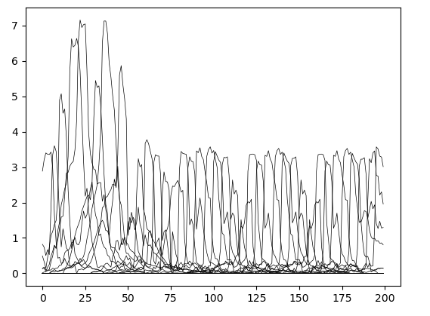
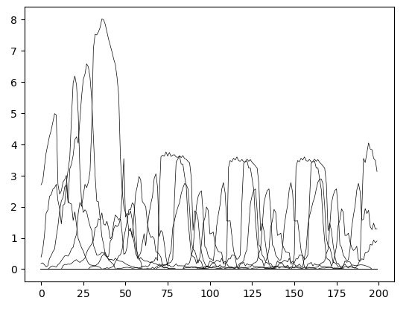
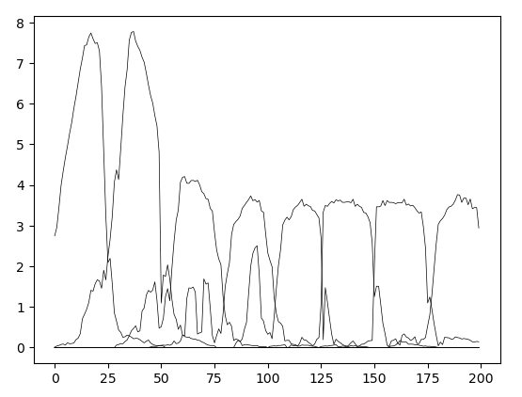
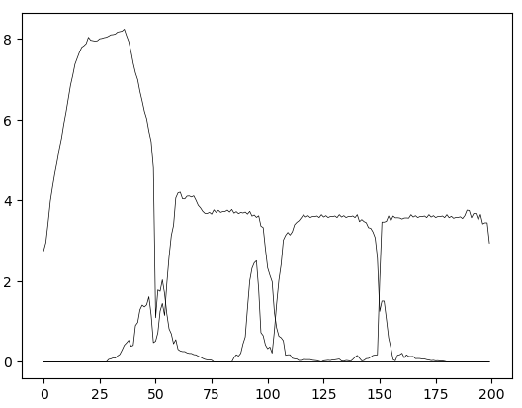
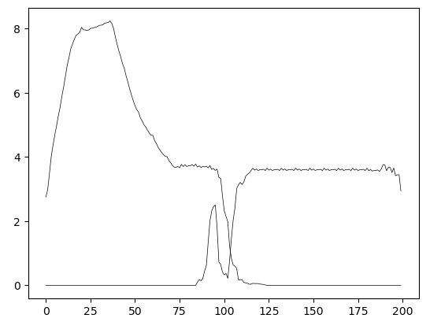
 |  |  |  |  |  |  |  |  |  |  | jeder 5te 5er |  |  |  |  |  | jeder 10te 10er |  |  |  |  |  | jeder 25te 25er |  |  |  |  |  | jeder 50te 50er |  |  |  |  |  | jeder 100te 100er

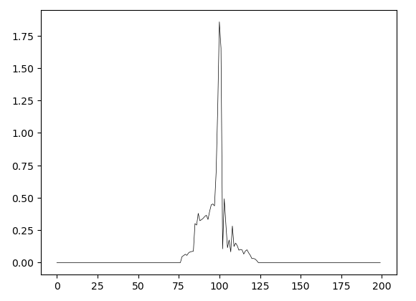
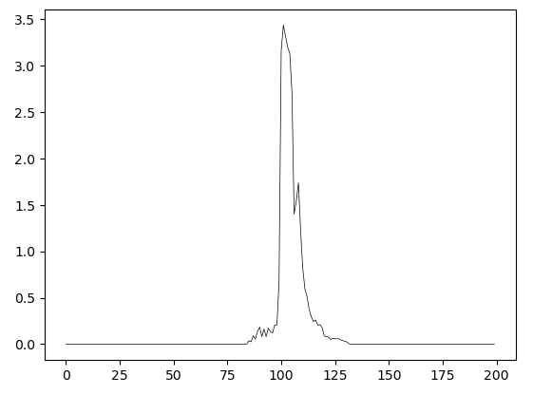
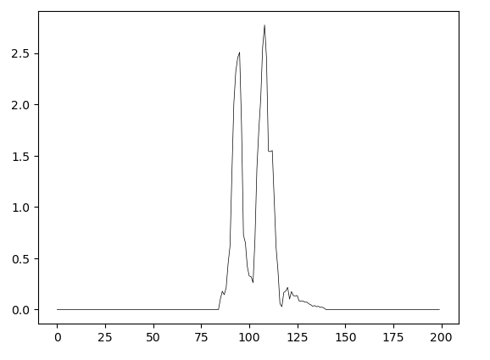
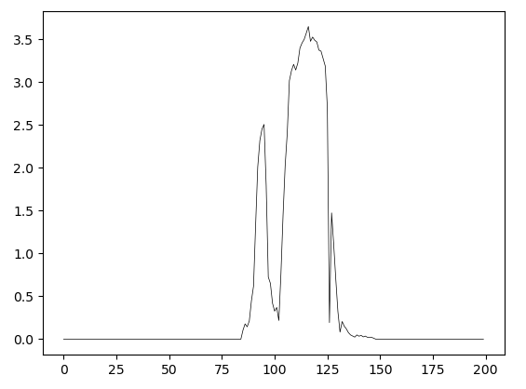
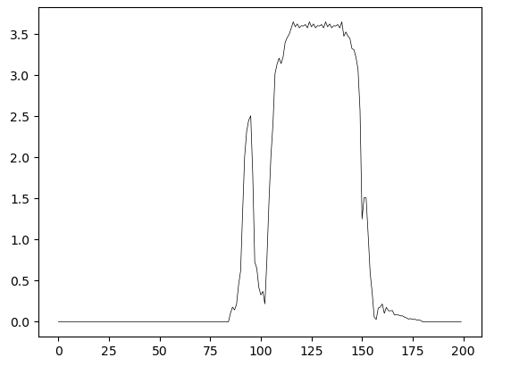
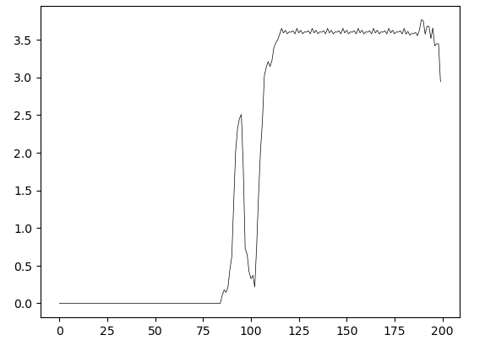
 |  |  |  |  | range(100,101) |  |  |  |  |  | range(100,105) |  |  |  |  |  | range(100,110) |  |  |  |  |  | range(100,125) |  |  |  |  |  | range(100,150) |  |  |  |  |  | range(100,200)

Input Experiments Correct
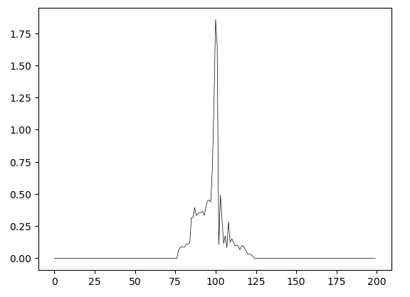
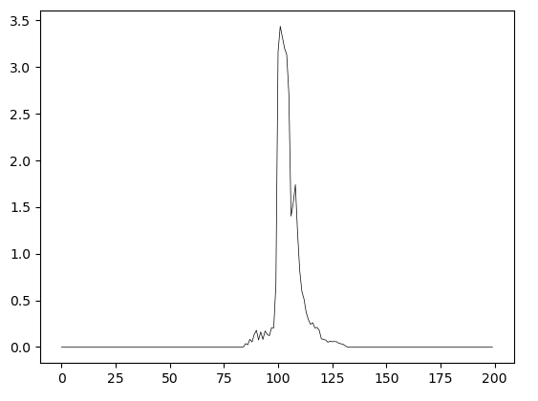
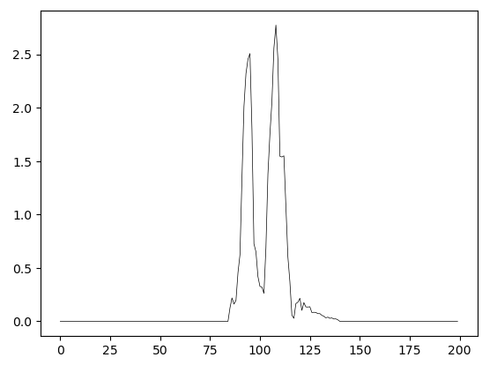
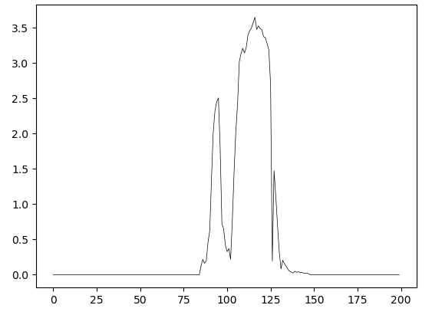
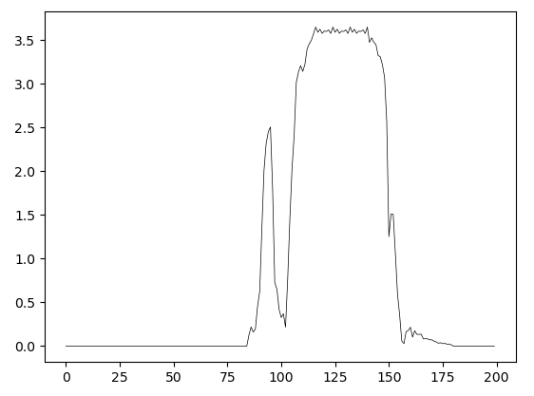
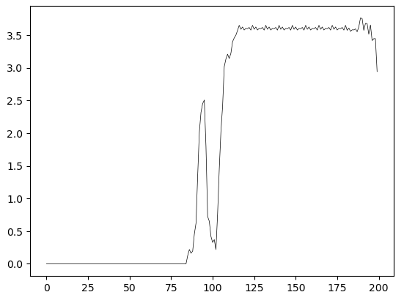
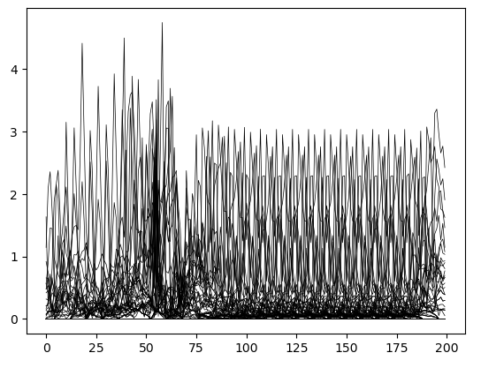
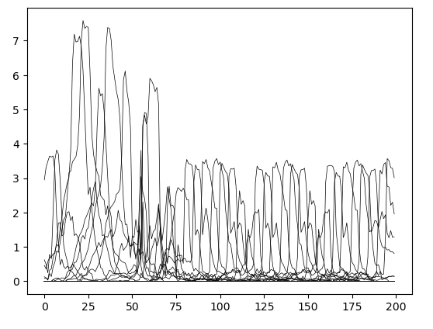
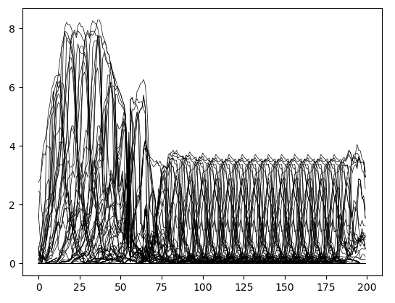
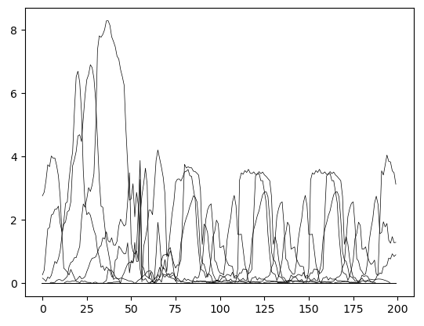
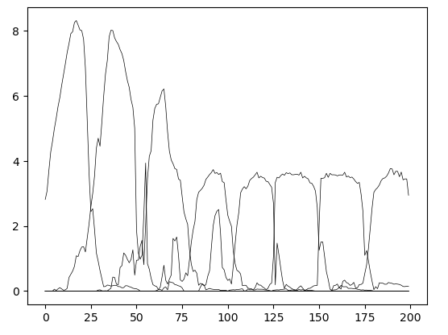
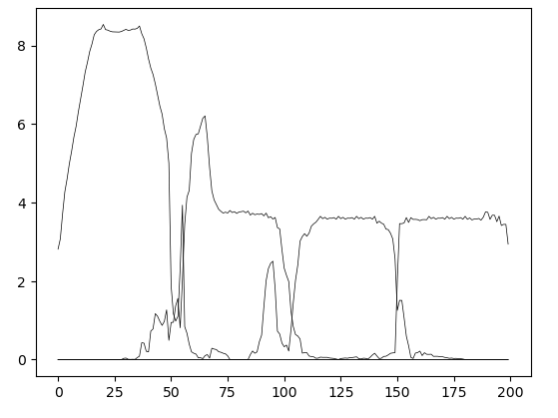
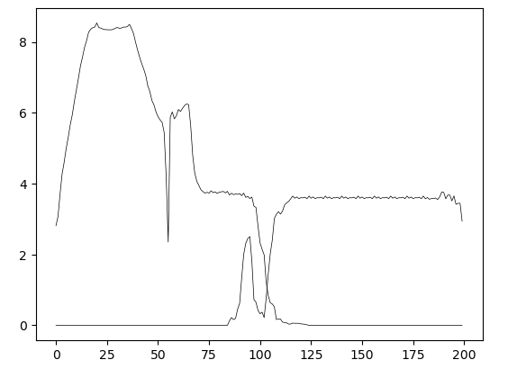
...
Changed Input Range | New Value | Affected Embeddings | Original Embeddings | New Embeddings | Amount Affected Embeddings | Affected Reconstruction Range | Affected Reconstruction Datapoints | Changed Input Range | New Value | Affected Embeddings | Original Embeddings | New Embeddings | Amount Affected Embeddings | Affected Reconstruction Range | Affected Reconstruction Datapoints | Changed Input Range | New Value | Affected Embeddings | Original Embeddings | New Embeddings | Amount Affected Embeddings | Affected Reconstruction Range | Affected Reconstruction Datapoints | Changed Input Range | New Value | Affected Embeddings | Original Embeddings | New Embeddings | Amount Affected Embeddings | Affected Reconstruction Range | Affected Reconstruction Datapoints | Changed Input Range | New Value | Affected Embeddings | Original Embeddings | New Embeddings | Amount Affected Embeddings | Affected Reconstruction Range | Affected Reconstruction Datapoints | Changed Input Range | New Value | Affected Embeddings | Original Embeddings | New Embeddings | Amount Affected Embeddings | Affected Reconstruction Range | Affected Reconstruction Datapoints
slice(192, 193, None) | -5 | [23 24 25] | [133 133 98] | [168 85 94] | 3 | 165-199 | 35 | slice(192, 197, None) | -5 | [23 24 25] | [133 133 98] | [168 194 168] | 3 | 165-199 | 35
slice(193, 194, None) | -5 | [24 25] | [133 98] | [ 0 125] | 2 | 173-199 | 27 | slice(193, 198, None) | -5 | [24 25] | [133 98] | [167 85] | 2 | 173-199 | 27
slice(194, 195, None) | -5 | [24 25] | [133 98] | [248 247] | 2 | 173-199 | 27 | slice(194, 199, None) | -5 | [24 25] | [133 98] | [248 209] | 2 | 173-199 | 27
slice(195, 196, None) | -5 | [24 25] | [133 98] | [144 165] | 2 | 173-199 | 27 | slice(195, 200, None) | -5 | [24 25] | [133 98] | [243 209] | 2 | 173-199 | 27
slice(196, 197, None) | -5 | [24 25] | [133 98] | [168 206] | 2 | 173-199 | 27
slice(197, 198, None) | -5 | [24 25] | [133 98] | [168 206] | 2 | 173-199 | 27
slice(198, 199, None) | -5 | [25] | [98] | [206] | 1 | 181-199 | 19
slice(199, 200, None) | -5 | [25] | [98] | [206] | 1 | 181-199 | 19

Alteration Experiments
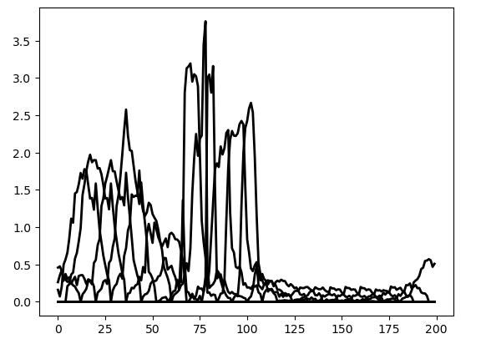
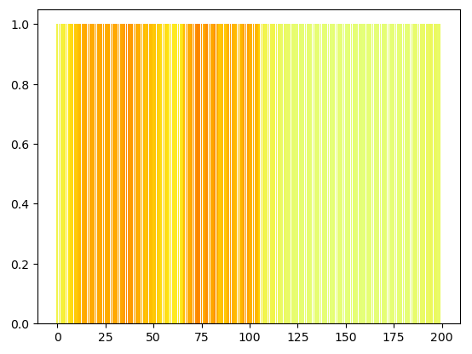
 | Proz. Start | Proz. Stopp | Proz. Pos | Anz. Geänd. Embeddings | Bemerkung
 | 0% | 6% | 3.85% | 12 | Embedding, was nur ganz am Ende vorkommt
 | 0% | 10% | 7.69% | 20
 | 0% | 14% | 11.54% | 28
 | 3% | 18% | 15.38% | 31
 | 7% | 22% | 19.23% | 31
 | 11% | 26% | 23.08% | 31
 | 15% | 30% | 26.92% | 31
 | 19% | 34% | 30.77% | 31
 | 23% | 38% | 34.62% | 31
 | 27% | 42% | 38.46% | 31
 | 31% | 46% | 42.31% | 31
 | 35% | 50% | 46.15% | 31
 | 39% | 54% | 50.00% | 31
 | 43% | 58% | 53.85% | 31
 | 47% | 62% | 57.69% | 31
 | 51% | 66% | 61.54% | 31
 | 55% | 70% | 65.38% | 31
 | 59% | 74% | 69.23% | 31
 | 63% | 78% | 73.08% | 31
 | 67% | 82% | 76.92% | 31
 | 71% | 86% | 80.77% | 31
 | 75% | 90% | 84.62% | 31
 | 79% | 94% | 88.46% | 31
 | 83% | 98% | 92.31% | 31
 | 87% | 100% | 96.15% | 27
 | None | None | 100.00% | None
 | 0% | 6% | 3.85% | 12 | Embedding, was nie im Original vorkommt
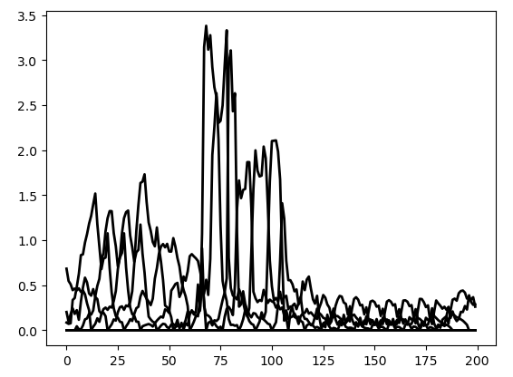
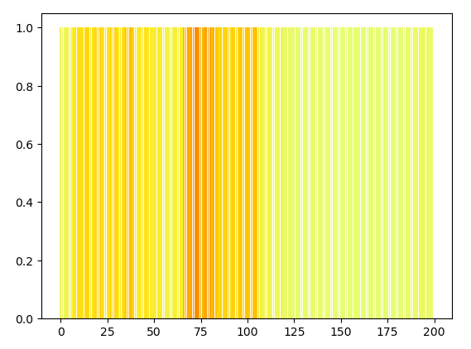
 | 0% | 10% | 7.69% | 20
 | 0% | 14% | 11.54% | 28
 | 3% | 18% | 15.38% | 31
 | 7% | 22% | 19.23% | 31
 | 11% | 26% | 23.08% | 31
 | 15% | 30% | 26.92% | 31
 | 19% | 34% | 30.77% | 31
 | 23% | 38% | 34.62% | 31
 | 27% | 42% | 38.46% | 31
 | 31% | 46% | 42.31% | 31
 | 35% | 50% | 46.15% | 31
 | 39% | 54% | 50.00% | 31
 | 43% | 58% | 53.85% | 31
 | 47% | 62% | 57.69% | 31
 | 51% | 66% | 61.54% | 31
 | 55% | 70% | 65.38% | 31
 | 59% | 74% | 69.23% | 31
 | 63% | 78% | 73.08% | 31
 | 67% | 82% | 76.92% | 31
 | 71% | 86% | 80.77% | 31
 | 75% | 90% | 84.62% | 31
 | 79% | 94% | 88.46% | 31
 | 83% | 98% | 92.31% | 31
 | 87% | 100% | 96.15% | 27
 | 91% | 100% | 100.00% | 19
 | 0% | 6% | 3.85% | 12 | Embedding, was an den Positionen 13 und 14 vorkommt
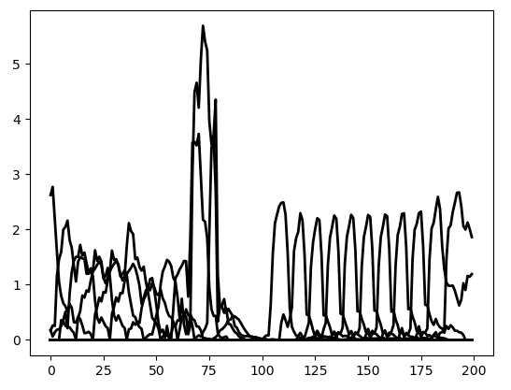
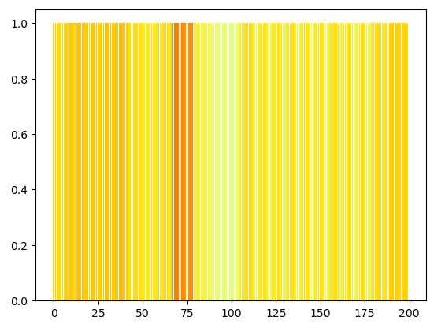
 | 0% | 10% | 7.69% | 20
 | 0% | 14% | 11.54% | 28
 | 3% | 18% | 15.38% | 31
 | 7% | 22% | 19.23% | 31
 | 11% | 26% | 23.08% | 31
 | 15% | 30% | 26.92% | 31
 | 19% | 34% | 30.77% | 31
 | 23% | 38% | 34.62% | 31
 | 27% | 42% | 38.46% | 31
 | 31% | 46% | 42.31% | 31
 | 35% | 50% | 46.15% | 31
 | 39% | 54% | 50.00% | 31
 | None | None | 53.85% | None
 | None | None | 57.69% | None
 | 51% | 66% | 61.54% | 31
 | 55% | 70% | 65.38% | 31
 | 59% | 74% | 69.23% | 31
 | 63% | 78% | 73.08% | 31
 | 67% | 82% | 76.92% | 31
 | 71% | 86% | 80.77% | 31
 | 75% | 90% | 84.62% | 31
 | 79% | 94% | 88.46% | 31
 | 83% | 98% | 92.31% | 31
 | 87% | 100% | 96.15% | 27
 | 91% | 100% | 100.00% | 19
 | 0% | 10% | 3.85% | 20 | Embedding, was an den Positionen 13 und 14 vorkommt
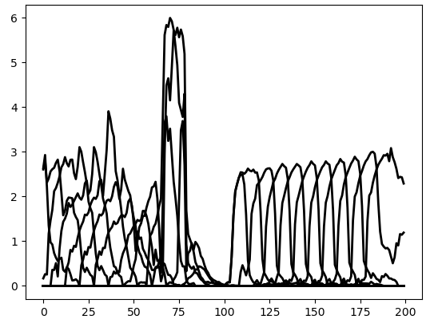
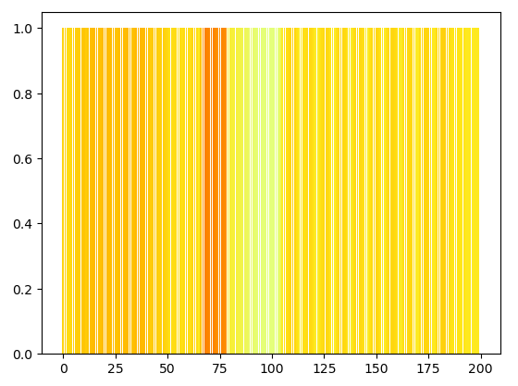
 | 0% | 14% | 7.69% | 28
 | 0% | 18% | 11.54% | 36
 | 3% | 22% | 15.38% | 39
 | 7% | 26% | 19.23% | 39
 | 11% | 30% | 23.08% | 39
 | 15% | 34% | 26.92% | 39
 | 19% | 38% | 30.77% | 39
 | 23% | 42% | 34.62% | 39
 | 27% | 46% | 38.46% | 39
 | 31% | 50% | 42.31% | 39
 | 35% | 54% | 46.15% | 39
 | 39% | 54% | 50.00% | 31
 | None | None | 53.85% | None
 | 51% | 66% | 57.69% | 31
 | 51% | 70% | 61.54% | 39
 | 55% | 74% | 65.38% | 39
 | 59% | 78% | 69.23% | 39
 | 63% | 82% | 73.08% | 39
 | 67% | 86% | 76.92% | 39
 | 71% | 90% | 80.77% | 39
 | 75% | 94% | 84.62% | 39
 | 79% | 98% | 88.46% | 39
 | 83% | 100% | 92.31% | 35
 | 87% | 100% | 96.15% | 27
 | 0% | 10% | 3.85% | 20 | Embedding, was nie im Original vorkommt
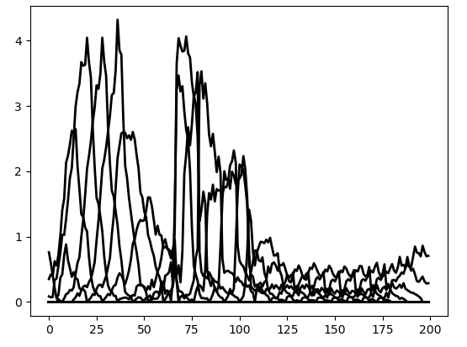
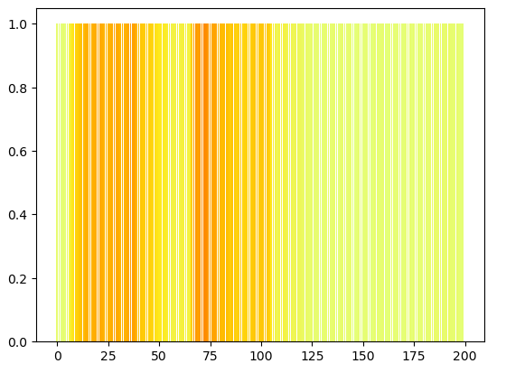
 | 0% | 14% | 7.69% | 28
 | 0% | 18% | 11.54% | 36
 | 3% | 22% | 15.38% | 39
 | 7% | 26% | 19.23% | 39
 | 11% | 30% | 23.08% | 39
 | 15% | 34% | 26.92% | 39
 | 19% | 38% | 30.77% | 39
 | 23% | 42% | 34.62% | 39
 | 27% | 46% | 38.46% | 39
 | 31% | 50% | 42.31% | 39
 | 35% | 54% | 46.15% | 39
 | 39% | 58% | 50.00% | 39
 | 43% | 62% | 53.85% | 39
 | 47% | 66% | 57.69% | 39
 | 51% | 70% | 61.54% | 39
 | 55% | 74% | 65.38% | 39
155 | 59% | 78% | 69.23% | 39
163 | 63% | 82% | 73.08% | 39
171 | 67% | 86% | 76.92% | 39
179 | 71% | 90% | 80.77% | 39
187 | 75% | 94% | 84.62% | 39
195 | 79% | 98% | 88.46% | 39
199 | 83% | 100% | 92.31% | 35
199 | 87% | 100% | 96.15% | 27
27 | 0% | 14% | 3.85% | 28 | Embedding, was nie im Original vorkommt
35 | 0% | 18% | 7.69% | 36
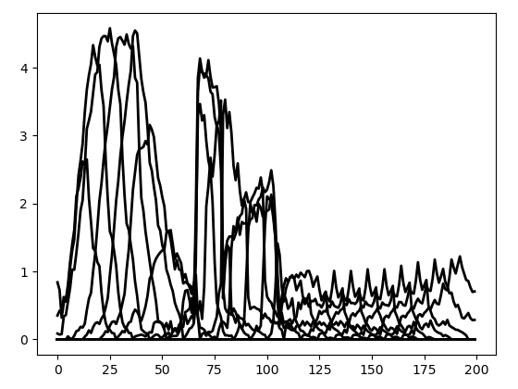
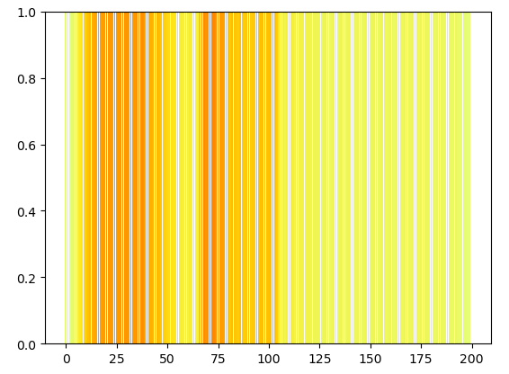
43 | 0% | 22% | 11.54% | 44
51 | 3% | 26% | 15.38% | 47
59 | 7% | 30% | 19.23% | 47
67 | 11% | 34% | 23.08% | 47
75 | 15% | 38% | 26.92% | 47
83 | 19% | 42% | 30.77% | 47
91 | 23% | 46% | 34.62% | 47
99 | 27% | 50% | 38.46% | 47
107 | 31% | 54% | 42.31% | 47
115 | 35% | 58% | 46.15% | 47
123 | 39% | 62% | 50.00% | 47
131 | 43% | 66% | 53.85% | 47
139 | 47% | 70% | 57.69% | 47
147 | 51% | 74% | 61.54% | 47
155 | 55% | 78% | 65.38% | 47
163 | 59% | 82% | 69.23% | 47
171 | 63% | 86% | 73.08% | 47
179 | 67% | 90% | 76.92% | 47
187 | 71% | 94% | 80.77% | 47
195 | 75% | 98% | 84.62% | 47
199 | 79% | 100% | 88.46% | 43
199 | 83% | 100% | 92.31% | 35
27 | 0% | 14% | 3.85% | 28 | Embedding, was an den Positionen 13 und 14 vorkommt
35 | 0% | 18% | 7.69% | 36
43 | 0% | 22% | 11.54% | 44
51 | 3% | 26% | 15.38% | 47
59 | 7% | 30% | 19.23% | 47
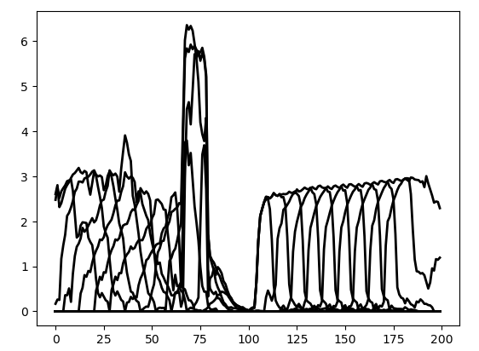
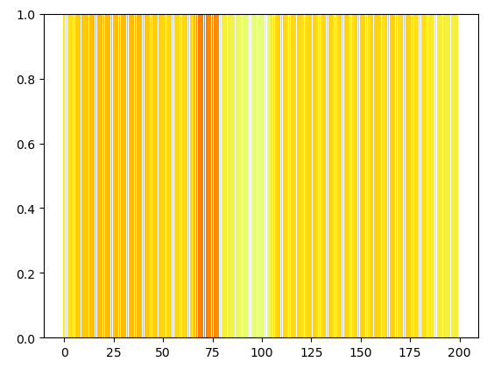
67 | 11% | 34% | 23.08% | 47
75 | 15% | 38% | 26.92% | 47
83 | 19% | 42% | 30.77% | 47
91 | 23% | 46% | 34.62% | 47
99 | 27% | 50% | 38.46% | 47
107 | 31% | 54% | 42.31% | 47
107 | 35% | 54% | 46.15% | 39
107 | 39% | 54% | 50.00% | 31
131 | 51% | 66% | 53.85% | 31
139 | 51% | 70% | 57.69% | 39
147 | 51% | 74% | 61.54% | 47
155 | 55% | 78% | 65.38% | 47
163 | 59% | 82% | 69.23% | 47
171 | 63% | 86% | 73.08% | 47
179 | 67% | 90% | 76.92% | 47
187 | 71% | 94% | 80.77% | 47
195 | 75% | 98% | 84.62% | 47
199 | 79% | 100% | 88.46% | 43
199 | 83% | 100% | 92.31% | 35

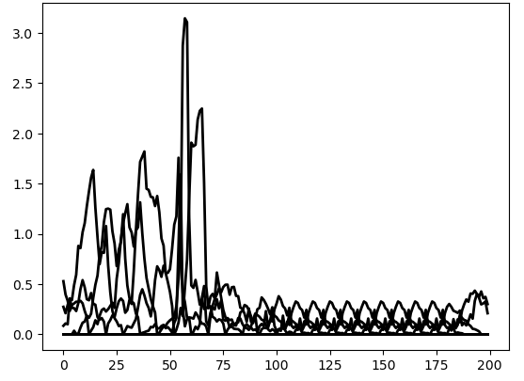
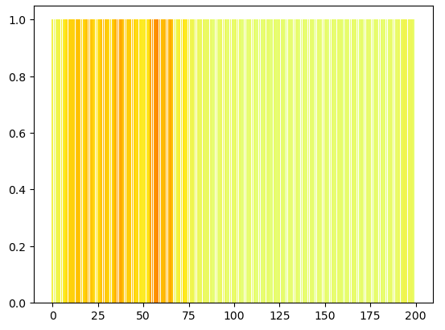
Stopp Diff | Proz. Start | Proz. Stopp | Proz. Pos | Anz. Geänd. Embeddings | Bemerkung
11 | 0% | 6% | 3.85% | 12 | Embedding, was nie im Original vorkommt | 1 | 0 | 1
19 | 0% | 10% | 7.69% | 20 |  | 2 | 8 | 9
 | 0% | 14% | 11.54% | 28 |  | 3 | 16 | 17
 | 3% | 18% | 15.38% | 31 |  | 4 | 24 | 25
 | 7% | 22% | 19.23% | 31 |  | 5 | 32 | 33
 | 11% | 26% | 23.08% | 31 |  | 6 | 40 | 41
 | 15% | 30% | 26.92% | 31 |  | 7 | 48 | 49
 | 19% | 34% | 30.77% | 31 |  | 8 | 56 | 57
 | 23% | 38% | 34.62% | 31 |  | 9 | 64 | 65
 | 27% | 42% | 38.46% | 31 |  | 10 | 72 | 73
 | 31% | 46% | 42.31% | 31 |  | 11 | 80 | 81
 | 35% | 50% | 46.15% | 31 |  | 12 | 88 | 89
 | 39% | 54% | 50.00% | 31 |  | 13 | 96 | 97
 | 43% | 58% | 53.85% | 31 |  | 14 | 104 | 105
 | 47% | 62% | 57.69% | 31 |  | 15 | 112 | 113
 | 51% | 66% | 61.54% | 31 |  | 16 | 120 | 121
 | 55% | 70% | 65.38% | 31 |  | 17 | 128 | 129
 | 59% | 74% | 69.23% | 31 |  | 18 | 136 | 137
 | 63% | 78% | 73.08% | 31 |  | 19 | 144 | 145
 | 67% | 82% | 76.92% | 31 |  | 20 | 152 | 153
 | 71% | 86% | 80.77% | 31 |  | 21 | 160 | 161
 | 75% | 90% | 84.62% | 31 |  | 22 | 168 | 169
 | 79% | 94% | 88.46% | 31 |  | 23 | 176 | 177
 | 83% | 98% | 92.31% | 31 |  | 24 | 184 | 185
 | 87% | 100% | 96.15% | 27 |  | 25 | 192 | 193
 | 91% | 100% | 100.00% | 19
 | 0% | 6% | 3.85% | 12 | Embedding, was an den Positionen 2,3,4 vorkommt
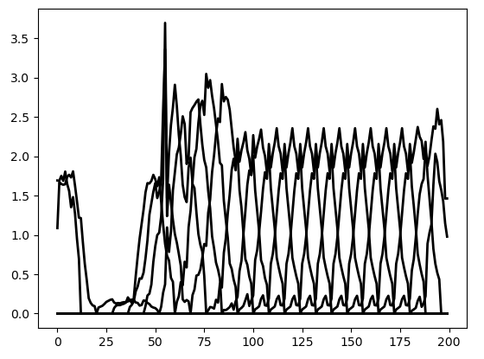
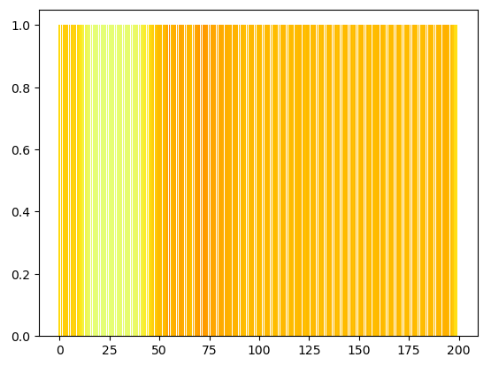
 | 0% | 10% | 7.69% | 20
 | None | None | 11.54% | None
 | None | None | 15.38% | None
 | None | None | 19.23% | None
 | 11% | 26% | 23.08% | 31
 | 15% | 30% | 26.92% | 31
 | 19% | 34% | 30.77% | 31
 | 23% | 38% | 34.62% | 31
 | 27% | 42% | 38.46% | 31
 | 31% | 46% | 42.31% | 31
 | 35% | 50% | 46.15% | 31
 | 39% | 54% | 50.00% | 31
 | 43% | 58% | 53.85% | 31
 | 47% | 62% | 57.69% | 31
 | 51% | 66% | 61.54% | 31
 | 55% | 70% | 65.38% | 31
 | 59% | 74% | 69.23% | 31
 | 63% | 78% | 73.08% | 31
 | 67% | 82% | 76.92% | 31
 | 71% | 86% | 80.77% | 31
 | 75% | 90% | 84.62% | 31
 | 79% | 94% | 88.46% | 31
 | 83% | 98% | 92.31% | 31
 | 87% | 100% | 96.15% | 27
 | 91% | 100% | 100.00% | 19
 | 0% | 10% | 3.85% | 20 | Embedding, was an den Positionen 2,3,4 vorkommt
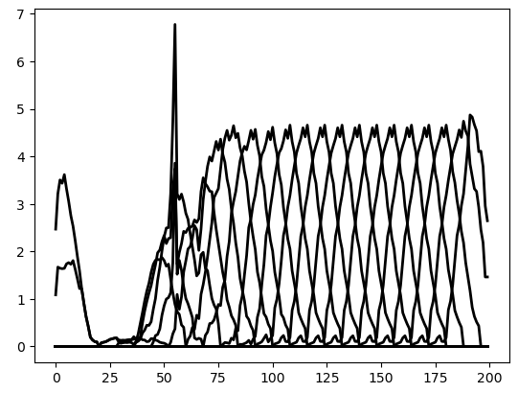
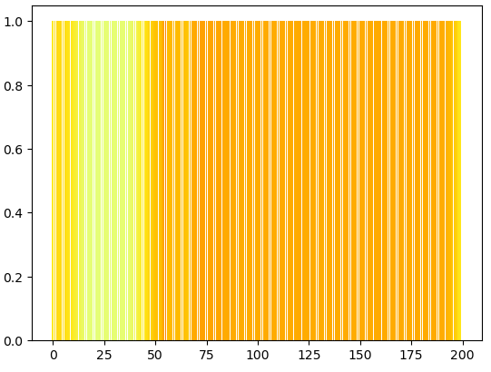
 | 0% | 10% | 7.69% | 20
 | None | None | 11.54% | None
 | None | None | 15.38% | None
 | 11% | 26% | 19.23% | 31
 | 11% | 30% | 23.08% | 39
 | 15% | 34% | 26.92% | 39
 | 19% | 38% | 30.77% | 39
 | 23% | 42% | 34.62% | 39
 | 27% | 46% | 38.46% | 39
 | 31% | 50% | 42.31% | 39
 | 35% | 54% | 46.15% | 39
 | 39% | 58% | 50.00% | 39
 | 43% | 62% | 53.85% | 39
 | 47% | 66% | 57.69% | 39
 | 51% | 70% | 61.54% | 39
 | 55% | 74% | 65.38% | 39
 | 59% | 78% | 69.23% | 39
 | 63% | 82% | 73.08% | 39
 | 67% | 86% | 76.92% | 39
 | 71% | 90% | 80.77% | 39
 | 75% | 94% | 84.62% | 39
 | 79% | 98% | 88.46% | 39
 | 83% | 100% | 92.31% | 35
 | 87% | 100% | 96.15% | 27
 | 0% | 10% | 3.85% | 20 | Embedding, was nie im Original vorkommt
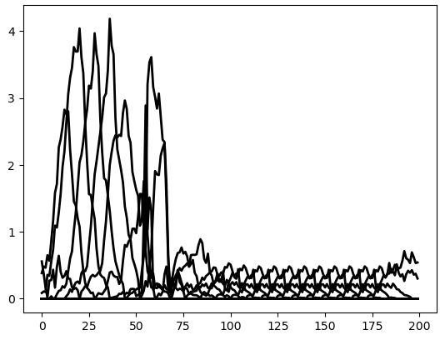
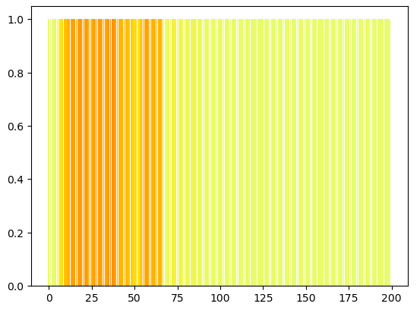
 | 0% | 14% | 7.69% | 28
 | 0% | 18% | 11.54% | 36
 | 3% | 22% | 15.38% | 39
 | 7% | 26% | 19.23% | 39
 | 11% | 30% | 23.08% | 39
 | 15% | 34% | 26.92% | 39
 | 19% | 38% | 30.77% | 39
 | 23% | 42% | 34.62% | 39
 | 27% | 46% | 38.46% | 39
 | 31% | 50% | 42.31% | 39
 | 35% | 54% | 46.15% | 39
 | 39% | 58% | 50.00% | 39
 | 43% | 62% | 53.85% | 39
 | 47% | 66% | 57.69% | 39
 | 51% | 70% | 61.54% | 39
 | 55% | 74% | 65.38% | 39
 | 59% | 78% | 69.23% | 39
 | 63% | 82% | 73.08% | 39
 | 67% | 86% | 76.92% | 39
 | 71% | 90% | 80.77% | 39
 | 75% | 94% | 84.62% | 39
 | 79% | 98% | 88.46% | 39
 | 83% | 100% | 92.31% | 35
 | 87% | 100% | 96.15% | 27
 | 0% | 14% | 3.85% | 28 | Embedding, was nie im Original vorkommt
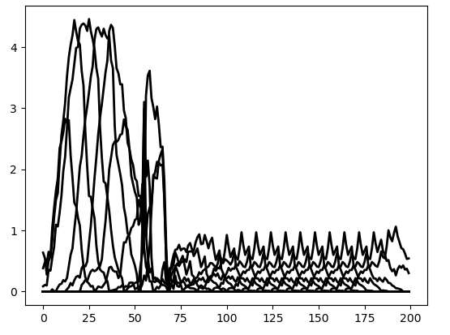
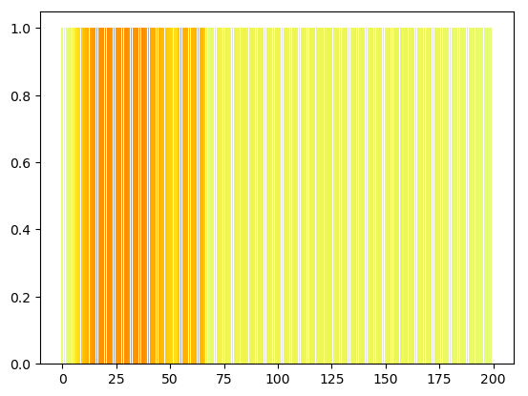
 | 0% | 18% | 7.69% | 36
 | 0% | 22% | 11.54% | 44
 | 3% | 26% | 15.38% | 47
 | 7% | 30% | 19.23% | 47
 | 11% | 34% | 23.08% | 47
 | 15% | 38% | 26.92% | 47
 | 19% | 42% | 30.77% | 47
 | 23% | 46% | 34.62% | 47
 | 27% | 50% | 38.46% | 47
 | 31% | 54% | 42.31% | 47
 | 35% | 58% | 46.15% | 47
 | 39% | 62% | 50.00% | 47
 | 43% | 66% | 53.85% | 47
 | 47% | 70% | 57.69% | 47
 | 51% | 74% | 61.54% | 47
 | 55% | 78% | 65.38% | 47
 | 59% | 82% | 69.23% | 47
 | 63% | 86% | 73.08% | 47
 | 67% | 90% | 76.92% | 47
 | 71% | 94% | 80.77% | 47
 | 75% | 98% | 84.62% | 47
 | 79% | 100% | 88.46% | 43
 | 83% | 100% | 92.31% | 35
 | 0% | 10% | 3.85% | 20 | Embedding, was an den Positionen 2,3,4 vorkommt
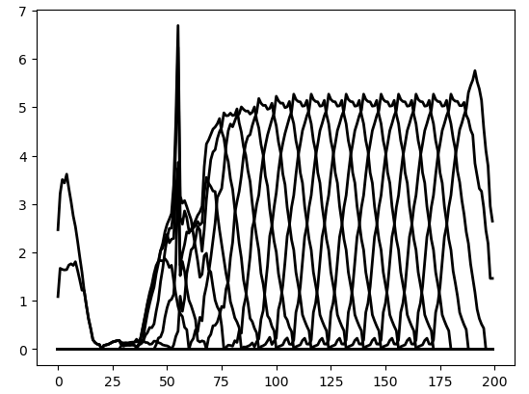
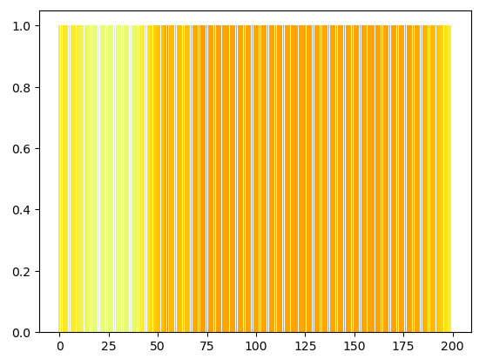
 | 0% | 10% | 7.69% | 20
 | None | None | 11.54% | None
 | 11% | 26% | 15.38% | 31
 | 11% | 30% | 19.23% | 39
 | 11% | 34% | 23.08% | 47
 | 15% | 38% | 26.92% | 47
 | 19% | 42% | 30.77% | 47
 | 23% | 46% | 34.62% | 47
 | 27% | 50% | 38.46% | 47
 | 31% | 54% | 42.31% | 47
 | 35% | 54% | 46.15% | 39
 | 39% | 54% | 50.00% | 31
 | 51% | 66% | 53.85% | 31
 | 51% | 70% | 57.69% | 39
 | 51% | 74% | 61.54% | 47
 | 55% | 78% | 65.38% | 47
 | 59% | 82% | 69.23% | 47
 | 63% | 86% | 73.08% | 47
 | 67% | 90% | 76.92% | 47
 | 71% | 94% | 80.77% | 47
 | 75% | 98% | 84.62% | 47
 | 79% | 100% | 88.46% | 43
 | 83% | 100% | 92.31% | 35



 | Proz. Start | Proz. Stopp | Proz. Pos | Anz. Geänd. Embeddings | Bemerkung
 | 0% | 6% | 3.85% | 12 | Embedding, was nie im Original vorkommt
 | 0% | 10% | 7.69% | 20
 | 0% | 14% | 11.54% | 28
 | 3% | 18% | 15.38% | 31
 | 7% | 22% | 19.23% | 31
 | 11% | 26% | 23.08% | 31
 | 15% | 30% | 26.92% | 31
 | 19% | 34% | 30.77% | 31
 | 23% | 38% | 34.62% | 31
 | 27% | 42% | 38.46% | 31
 | 31% | 46% | 42.31% | 31
 | 35% | 50% | 46.15% | 31
 | 39% | 54% | 50.00% | 31
 | 43% | 58% | 53.85% | 31
 | 47% | 62% | 57.69% | 31
 | 51% | 66% | 61.54% | 31
 | 55% | 70% | 65.38% | 31
 | 59% | 74% | 69.23% | 31
 | 63% | 78% | 73.08% | 31
 | 67% | 82% | 76.92% | 31
 | 71% | 86% | 80.77% | 31
 | 75% | 90% | 84.62% | 31
 | 79% | 94% | 88.46% | 31
 | 83% | 98% | 92.31% | 31
 | 87% | 100% | 96.15% | 27
 | 91% | 100% | 100.00% | 19
 | 0% | 6% | 3.85% | 12 | Embedding, was an den Positionen 2,3,4 und 5 vorkommt

 | 0% | 10% | 7.69% | 20

 | None | None | 11.54% | None
 | None | None | 15.38% | None
 | None | None | 19.23% | None
 | None | None | 23.08% | None
 | 15% | 30% | 26.92% | 31
 | 19% | 34% | 30.77% | 31
 | 23% | 38% | 34.62% | 31
 | 27% | 42% | 38.46% | 31
 | 31% | 46% | 42.31% | 31
 | 35% | 50% | 46.15% | 31
 | 39% | 54% | 50.00% | 31
 | 43% | 58% | 53.85% | 31
 | 47% | 62% | 57.69% | 31
 | 51% | 66% | 61.54% | 31
 | 55% | 70% | 65.38% | 31
 | 59% | 74% | 69.23% | 31
 | 63% | 78% | 73.08% | 31
 | 67% | 82% | 76.92% | 31
 | 71% | 86% | 80.77% | 31
 | 75% | 90% | 84.62% | 31
 | 79% | 94% | 88.46% | 31
 | 83% | 98% | 92.31% | 31
 | 87% | 100% | 96.15% | 27
 | 91% | 100% | 100.00% | 19
 | 0% | 10% | 3.85% | 20 | Embedding, was an den Positionen 2,3,4 und 5 vorkommt
 | 0% | 10% | 7.69% | 20


 | None | None | 11.54% | None
 | None | None | 15.38% | None
 | None | None | 19.23% | None
 | 15% | 30% | 23.08% | 31
 | 15% | 34% | 26.92% | 39
 | 19% | 38% | 30.77% | 39
 | 23% | 42% | 34.62% | 39
 | 27% | 46% | 38.46% | 39
 | 31% | 50% | 42.31% | 39
 | 35% | 54% | 46.15% | 39
 | 39% | 58% | 50.00% | 39
 | 43% | 62% | 53.85% | 39
 | 47% | 66% | 57.69% | 39
 | 51% | 70% | 61.54% | 39
 | 55% | 74% | 65.38% | 39
 | 59% | 78% | 69.23% | 39
 | 63% | 82% | 73.08% | 39
 | 67% | 86% | 76.92% | 39
 | 71% | 90% | 80.77% | 39
 | 75% | 94% | 84.62% | 39
 | 79% | 98% | 88.46% | 39
 | 83% | 100% | 92.31% | 35
 | 87% | 100% | 96.15% | 27
 | 0% | 10% | 3.85% | 20 | Embedding, was nie im Original vorkommt


 | 0% | 14% | 7.69% | 28
 | 0% | 18% | 11.54% | 36
 | 3% | 22% | 15.38% | 39
 | 7% | 26% | 19.23% | 39
 | 11% | 30% | 23.08% | 39
 | 15% | 34% | 26.92% | 39
 | 19% | 38% | 30.77% | 39
 | 23% | 42% | 34.62% | 39
 | 27% | 46% | 38.46% | 39
 | 31% | 50% | 42.31% | 39
 | 35% | 54% | 46.15% | 39
 | 39% | 58% | 50.00% | 39
 | 43% | 62% | 53.85% | 39
 | 47% | 66% | 57.69% | 39
 | 51% | 70% | 61.54% | 39
 | 55% | 74% | 65.38% | 39
 | 59% | 78% | 69.23% | 39
 | 63% | 82% | 73.08% | 39
 | 67% | 86% | 76.92% | 39
 | 71% | 90% | 80.77% | 39
 | 75% | 94% | 84.62% | 39
 | 79% | 98% | 88.46% | 39
 | 83% | 100% | 92.31% | 35
 | 87% | 100% | 96.15% | 27
 | 0% | 14% | 3.85% | 28 | Embedding, was nie im Original vorkommt


 | 0% | 18% | 7.69% | 36
 | 0% | 22% | 11.54% | 44
 | 3% | 26% | 15.38% | 47
 | 7% | 30% | 19.23% | 47
 | 11% | 34% | 23.08% | 47
 | 15% | 38% | 26.92% | 47
 | 19% | 42% | 30.77% | 47
 | 23% | 46% | 34.62% | 47
 | 27% | 50% | 38.46% | 47
 | 31% | 54% | 42.31% | 47
 | 35% | 58% | 46.15% | 47
 | 39% | 62% | 50.00% | 47
 | 43% | 66% | 53.85% | 47
 | 47% | 70% | 57.69% | 47
 | 51% | 74% | 61.54% | 47
 | 55% | 78% | 65.38% | 47
 | 59% | 82% | 69.23% | 47
 | 63% | 86% | 73.08% | 47
 | 67% | 90% | 76.92% | 47
 | 71% | 94% | 80.77% | 47
 | 75% | 98% | 84.62% | 47
 | 79% | 100% | 88.46% | 43
 | 83% | 100% | 92.31% | 35
 | 0% | 10% | 3.85% | 20 | Embedding, was an den Positionen 2,3,4 und 5 vorkommt


 | 0% | 10% | 7.69% | 20
 | None | None | 11.54% | None
 | None | None | 15.38% | None
 | 15% | 30% | 19.23% | 31
 | 15% | 34% | 23.08% | 39
 | 15% | 38% | 26.92% | 47
 | 19% | 42% | 30.77% | 47
 | 23% | 46% | 34.62% | 47
 | 27% | 50% | 38.46% | 47
 | 31% | 54% | 42.31% | 47
 | 35% | 54% | 46.15% | 39
 | 39% | 54% | 50.00% | 31
 | 51% | 66% | 53.85% | 31
 | 51% | 70% | 57.69% | 39
 | 51% | 74% | 61.54% | 47
 | 55% | 78% | 65.38% | 47
 | 59% | 82% | 69.23% | 47
 | 63% | 86% | 73.08% | 47
 | 67% | 90% | 76.92% | 47
 | 71% | 94% | 80.77% | 47
 | 75% | 98% | 84.62% | 47
 | 79% | 100% | 88.46% | 43
 | 83% | 100% | 92.31% | 35

